Pump & Pump Curves
Test File: | Pump.bkp
Test UO: | PUMP

Test Inputs:
1. Launch the Pump.bkp file and run the simulation.
2. Go to Simulation-> Blocks -> PUMP -> Stream Results, select 'add properties', add ' Mass Heat capacity, mixture' and 'Viscosity, mixture'.
3. In the ribbon bar, click on the Datasheets button. Menu to connect to an ABE server appears.
4. Connect to an ABE server and connect to a workspace.
5. Click on Mapper tab, in the Flowsheet Objects page. Click on object 'PUMP' to enter the Object Mapping page.
6. In the Object Mapping section - Map As: CentrifugalPump, Workspace Object: Create.
7. Make sure the ports are auto-mapped. Close the Object Mapping Page.
8. Click the ‘Save Changes’ and 'Transfer ' buttons.
9. The transfer confirmation screen appears when the transfer is complete. Click ‘OK’ to close the screen.
10. Click on Explorer tab and expand the attributes of PUMP, check the attributes list below. The data in ABE should be in accordance with those in A+.

In step 6, need to map PUMP as 11 Pump types:
Centrifugal Pump, Rotary Pump, Positive Displacement Pump, Diaphragm Pump, Metering Pump, Vertical Centrifugal Pump, Pump, Reciprocating Pump, Gear Pump, Progressive Cavity Pump and Plunger Pump.

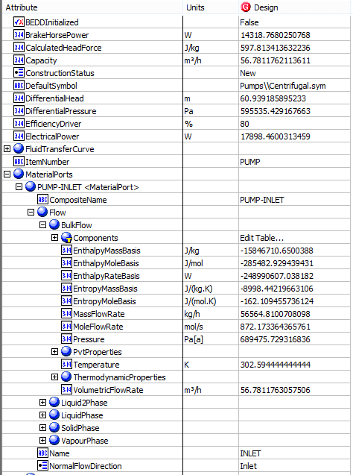
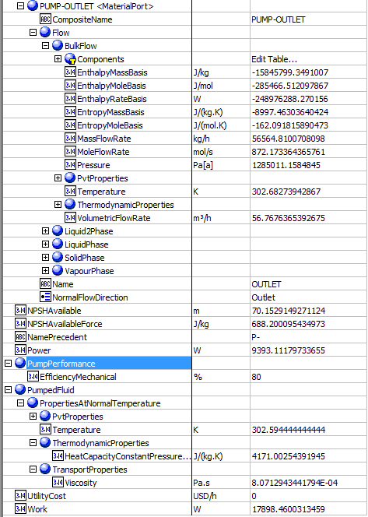
Expected Results: |  |  |  |  |  | In ABE
Pump （CQ00730637）
Index Number | Attributes | ABE ADS View | ABE Default View | In A+

1 | Capacity/Volumetirc flow rate (m3/h) | Volumetric Flow In (m3/h) | Capacity | 56.7812
2 | Suction Pressure (kPa) | Pressure In (Pa[a]) | MaterialPorts[Name="Inlet"].Flow.BulkFlow.Pressure (Pa) | 689.476
3 | Discharge Pressure (kPa) | Pressure Out (Pa[a]) | MaterialPorts[Name="Outlet"].Flow.BulkFlow.Pressure (Pa) | 1285.0111558
4 | Differential Pressure (Pa) | Pressure Drop (Pa) | Pressure Drop (Pa) | 595535.42927
5 | Differential Head (m) | Calculated Head(m) | RatedDifferentialHeadAtMinimumSpecificGravity (m) | 60.96
6 | NPSH avaiable (m) | NPSH avaiable (m) | NPSH avaiable (m) | 70.1769
8 | Specific heat (J/kmol-K) | Specific Head (J/(kg.K) | PumpedFluid.PropertiesAtNormalTemperature.ThermodynamicProperties.HeatCapacityConstantPressureMassBasis (J/(kg.K) | 4171
12 | total Power (kW) | FluidPower (W) | RatedPower (W) | 9.39311
13 | Viscosity (cP) | Viscosity (cP) | Viscosity (cP) | 0.807129
14 | Inlet Temperature (K) | Temperature In (K) | PumpedFluid.PropertiesAtNormalTemperature.Temperature | 302.594
15 | Inlet mass density (kg/m3) | Inlet mass density (kg/m3) | PumpedFluid.PropertiesAtNormalTemperature.PvtProperties.StandardDensityMassBasis | 996.189
20 | BrakeHorse Power (kW) | BrakeHorse Power (kW) | BrakeHorse Power (kW) | 14.3188
21 | Mechanical Efficiency | Effciency Mechanical (%) | PumpPerformance.Effciency Mechanical (%) | 0.8
22 | ElectricalPower (kW) | ElectricalPower (kW) | ElectricalPower (kW) | 17.8985
23 | Work (kW) | Work (kW) | Work (kW) | 17.8985
24 | Efficiency Driver | Efficiency Driver(%) | Efficiency Driver(%) | 0.8

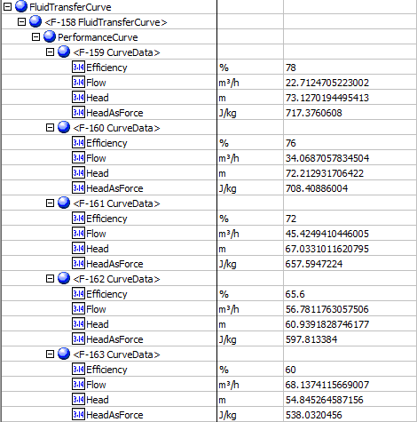
Pump Curves（CQ00746630） |  |  |  |  |  |  | In ABE
AbeAdsClassview | Classview Attributes | Ads (AdbPump) | A+ grid name | In A+ | unit

AbeAdsCurveData | Curves[].CurveData[].Efficiency | Curves[].Points[].Efficiency | Efficiency | Point 1-5
 |  |  |  | 0.78
 |  |  |  | 0.76
 |  |  |  | 0.72
 |  |  |  | 0.656
 |  |  |  | 0.6
 | Curves[].CurveData[].Flow | Curves[].Points[].Flow | Flow | Point 1-5 | gal/min
 |  |  |  | 100
 |  |  |  | 150
 |  |  |  | 200
 |  |  |  | 250
 |  |  |  | 300
 | Curves[].CurveData[].Head | Curves[].Points[].Head | Head | Point 1-5 | ft
 |  |  |  | 240
 |  |  |  | 237
 |  |  |  | 220
 |  |  |  | 200
 |  |  |  | 180

Heater & Heat Exchanger Side
Test File: | Heater_Cooler.bkp
Test UO: | 1

Heater （CQ00746232）
Test Inputs:
1. Launch the Heater_Cooler.bkp file and run the simulation.
2. In the ribbon bar, click on the Datasheets button. Menu to connect to an ABE server appears.
3. Connect to an ABE server and connect to a workspace.
4. Click on Mapper tab, in the Flowsheet Objects page. Click on object '1' to enter the Object Mapping page.
5. Select 'ShellAndTubeHeatExchanger' for Map As column, select 'Create' for Workspace Object column.
6. Make sure the ports are auto-mapped. Close the Object Mapping Page.
7. Click the ‘Save Changes’ and 'Transfer ' buttons.
8. The transfer confirmation screen appears when the transfer is complete. Click ‘OK’ to close the screen.
9. Click on Explorer tab and expand the attributes of 1, check the attributes list below. The data in ABE should be in accordance with those in A+.

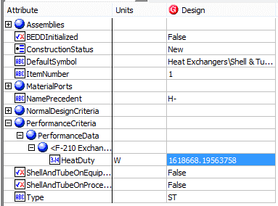
Expected Results: |  |  |  |  |  | In ABE
Index Number | Attributes | AbeAds Class View | ABE Default Attributes View | In A+

8 | Duty(KW) | Duty (W) | PerformanceCriteria.PerformanceData.HeatDuty (W) | 1618.668195

Heat Exchanger Side（CQ00748041）
Test Inputs:
1. Select object "1" and Map As HeatExchangerSide/ UoHeatExchangerSide
2. Save Changes and Transfer.
3. Switch to Explorer tab and New a Shell and Tube Exchanger. eg. H-101
4. Select to Show All Attributes of H-101
5. Right Click on Design column of ColdSide and select Insert Existing Item.
6. Select 1<HeatExchangerSide> and click OK.
7. Check the list attribute data in ABE Explorer, which should be in accordance with those in A+.

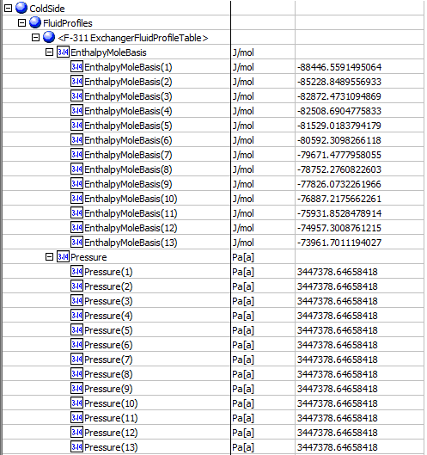
Expected Results: |  |  |  |  |  |  | In ABE
Attributes | A+ Heat Curve attribute | ABE Class | ABE Attribute | A+ Curve Point | A+ Value

Heat Duty Curve | Temeperature K | FulidPrifiles | Temperature K | 1 | 230.179
 | Temeperature K |  | Temperature K | 2 | 247.621
 | Temeperature K |  | Temperature K | Dew Pt. | 258.943
 | Temeperature K |  | Temperature K | 4 | 265.063
 | Temeperature K |  | Temperature K | 5 | 282.504
 | Temeperature K |  | Temperature K | 6 | 299.946
 | Temeperature K |  | Temperature K | 7 | 317.388
 | Temeperature K |  | Temperature K | 8 | 334.83
 | Temeperature K |  | Temperature K | 9 | 352.272
 | Temeperature K |  | Temperature K | 10 | 369.713
 | Temeperature K |  | Temperature K | 11 | 387.155
 | Temeperature K |  | Temperature K | 12 | 404.597
 | Temeperature K |  | Temperature K | 13 | 422.039
 | Pressure Pa |  | Pressure Pa | 1 | 3447380.0
 | Pressure Pa |  | Pressure Pa | 2 | 3447380.0
 | Pressure Pa |  | Pressure Pa | Dew Pt. | 3447380.0
 | Pressure Pa |  | Pressure Pa | 4 | 3447380.0
 | Pressure Pa |  | Pressure Pa | 5 | 3447380.0
 | Pressure Pa |  | Pressure Pa | 6 | 3447380.0
 | Pressure Pa |  | Pressure Pa | 7 | 3447380.0
 | Pressure Pa |  | Pressure Pa | 8 | 3447380.0
 | Pressure Pa |  | Pressure Pa | 9 | 3447380.0
 | Pressure Pa |  | Pressure Pa | 10 | 3447380.0
 | Pressure Pa |  | Pressure Pa | 11 | 3447380.0
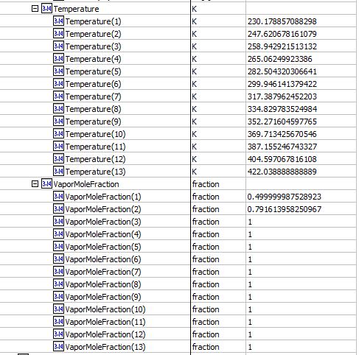
 | Pressure Pa |  | Pressure Pa | 12 | 3447380.0
 | Pressure Pa |  | Pressure Pa | 13 | 3447380.0
 | Vapor Fraction |  | VaporMoleFraction | 1 | 0.5
 | Vapor Fraction |  | VaporMoleFraction | 2 | 0.791614
 | Vapor Fraction |  | VaporMoleFraction | Dew Pt. | 1
 | Vapor Fraction |  | VaporMoleFraction | 4 | 1
 | Vapor Fraction |  | VaporMoleFraction | 5 | 1
 | Vapor Fraction |  | VaporMoleFraction | 6 | 1
 | Vapor Fraction |  | VaporMoleFraction | 7 | 1
 | Vapor Fraction |  | VaporMoleFraction | 8 | 1
 | Vapor Fraction |  | VaporMoleFraction | 9 | 1
 | Vapor Fraction |  | VaporMoleFraction | 10 | 1
 | Vapor Fraction |  | VaporMoleFraction | 11 | 1
 | Vapor Fraction |  | VaporMoleFraction | 12 | 1
 | Vapor Fraction |  | VaporMoleFraction | 13 | 1
 | TOTAL HMX kJ/mol |  | EnthalpyMoleBasis J/mol | 1 | -88.4466
 | TOTAL HMX kJ/mol |  | EnthalpyMoleBasis J/mol | 2 | -85.2289
 | TOTAL HMX kJ/mol |  | EnthalpyMoleBasis J/mol | Dew Pt. | -82.8725
 | TOTAL HMX kJ/mol |  | EnthalpyMoleBasis J/mol | 4 | -82.5087
 | TOTAL HMX kJ/mol |  | EnthalpyMoleBasis J/mol | 5 | -81.529
 | TOTAL HMX kJ/mol |  | EnthalpyMoleBasis J/mol | 6 | -80.5923
 | TOTAL HMX kJ/mol |  | EnthalpyMoleBasis J/mol | 7 | -79.6715
 | TOTAL HMX kJ/mol |  | EnthalpyMoleBasis J/mol | 8 | -78.7523
 | TOTAL HMX kJ/mol |  | EnthalpyMoleBasis J/mol | 9 | -77.8261
 | TOTAL HMX kJ/mol |  | EnthalpyMoleBasis J/mol | 10 | -76.8872
 | TOTAL HMX kJ/mol |  | EnthalpyMoleBasis J/mol | 11 | -75.9319
 | TOTAL HMX kJ/mol |  | EnthalpyMoleBasis J/mol | 12 | -74.9573
 | TOTAL HMX kJ/mol |  | EnthalpyMoleBasis J/mol | 13 | -73.9617

Separator
Separator（CQ00746647）

Test File: | Separator.bkp
Test UO: | B9

Test Inputs:
1. Launch the Separator.bkp file and run the simulation.
2. In the ribbon bar, click on the Datasheets button. Menu to connect to an ABE server appears.
3. Connect to an ABE server and connect to a workspace.
4. Click on Mapper tab, in the Flowsheet Objects page. Click on object 'B9' to enter the Object Mapping page.
5. Select 'Separator' for Map As column, select 'Create' for Workspace Object column.
6. Make sure the ports are auto-mapped. Close the Object Mapping Page.
7. Click the ‘Save Changes’ and 'Transfer ' buttons.
8. The transfer confirmation screen appears when the transfer is complete. Click ‘OK’ to close the screen.
9. Click on Explorer tab and expand the attributes of B9, check the attributes list below. The data in ABE should be in accordance with those in A+.

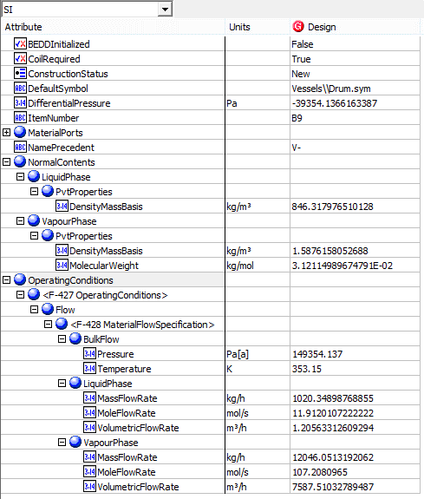
Expected Results: |  |  |  |  |  | In ABE
Index Number | Attributes | attribute name | In A+ | unit | ABE Class/Separator

1 | Operating Pressure | Outlet Temperature | 80 | C | OperatingConditions(1).Flow(1).BulkFlow.Pressure
2 | Operating Temperature | Outlet pressure | 1.49354137 | bar | OperatingConditions(1).Flow(1).BulkFlow.Temperature
7 | Liquid Quantity | Liquid Phase Mass Flows | 1020.35 | kg/hr | OperatingConditions(1).Flow(1).LiquidPhase.MassFlowRate
8 | Vapor Quantity | Vapor Phase Mass Flows | 12046.1 | kg/hr | OperatingConditions(1).Flow(1).VapourPhase.MassFlowRate
9 | Liquid density at working temperature | Liquid Phase Mass Density | 846.318 | kg/cum | NormalContents.LiquidPhase.PvtProperties.DensityMassBasis
10 | Vapor Molecular Weight | Vapor Phase Average MW | 31.2115 |  | NormalContents.VapourPhase.PvtProperties.MolecularWeight
11 | Vapor Density at Working Temperature | Vapor Phase Mass Density | 1.58762 | kg/cum | NormalContents.VapourPhase.PvtProperties.DensityMassBasis
16 | Liquid Molar Flow | Liquid Phase Molar Flow | 42.8832 | kmol/hr | OperatingConditions(1).Flow(1).LiquidPhase.MoleFlowRate
17 | Liquid Volume Flow | Liquid Phase Volume Flow | 1.20563 | cum/hr | OperatingConditions(1).Flow(1).LiquidPhase.VolumetricFlowRate
18 | Vapo Molar Flow | Vapo Phase Molar Flow | 385.949 | kmol/hr | OperatingConditions(1).Flow(1).VapourPhase.MoleFlowRate
19 | Vapor Volume Flow | Vapor Phase Volume Flow | 7587.51 | cum/hr | OperatingConditions(1).Flow(1).VapourPhase.VolumetricFlowRate

Valves
Valves （CQ00746645）

Test File: | Valve_V2.0.bkp
Test UO: | B1

Teste Inputs:
1. Launch the Valve_V2.0.bkp file and run the simulation.
2. In the ribbon bar, click on the Datasheets button. Menu to connect to an ABE server appears.
3. Connect to an ABE server and connect to a workspace.
4. Click on Mapper tab, in the Flowsheet Objects page. Click on object 'B1' to enter the Object Mapping page.
5. Select 'ControlValve' for Map As column, select 'Create' for Workspace Object column.
6. Make sure the ports are auto-mapped. Close the Object Mapping Page.
7. Click the ‘Save Changes’ and 'Transfer ' buttons.
8. The transfer confirmation screen appears when the transfer is complete. Click ‘OK’ to close the screen.
9. Click on Explorer tab and expand the attributes of B1, check the attributes list below. The data in ABE should be in accordance with those in A+.

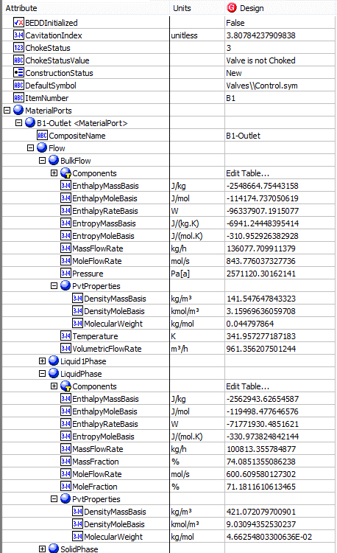
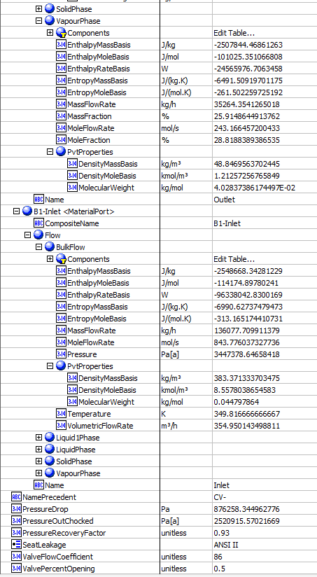
Expected Results: |  |  |  | In ABE
Index Number | Attributes | ABE Default Class View | In A+

19 | CavitationIndex | CavitationIndex | 3.80784238
13 | Choking Status | ChokedStatus | Valve is not choked
1 | Inlet Mass flow (kg/h) | MaterialPorts[Name="Inlet"].Flow.BulkFlow.MassFlowRate | 136077.711
23 | MassFlowOut (kg/h) | MaterialPorts[Name="Outlet"].Flow.BulkFlow.MassFlowRate | 136077.711
21 | MoleFlowIn (mol/s) | MaterialPorts[Name="Inlet"].Flow.BulkFlow.MoleFlowRate | 843.77603733
22 | MoleFlowOut (mol/s) | MaterialPorts[Name="Outlet"].Flow.BulkFlow.MoleFlowRate | 843.77603733
5 | outlet liquid density @normal (kg/m3) | MaterialPorts[Name="Outlet"].Flow.LiquidPhase.PvtProperties.DensityMassBasis | 421.0720797
6 | outlet liquid viscosity @normal (cp) | MaterialPorts[Name="Outlet"].Flow.LiquidPhase.TransportProperties.Viscosity | 0.0981971326
10 | Outlet vapor Compressibility facotr | MaterialPorts[Name="Outlet"].Flow.VapourPhase.PvtProperties.Compressibility | 0.74578827361
7 | Outlet Vapor density @Normal (kg/m3) | MaterialPorts[Name="Outlet"].Flow.VapourPhase.PvtProperties.DensityMassBasis | 48.84695637
9 | Outlet vapor heat capacity Cp/Cv | MaterialPorts[Name="Outlet"].Flow.VapourPhase.ThermodynamicProperties.HeatCapacityConstantPressureMassBasis | 1.3483211427
8 | Outlet Vapor Molecular Weight (g/mol) | MaterialPorts[Name="Outlet"].Flow.VapourPhase.PvtProperties.MolecularWeight | 40.283738617
11 | Outlet Vapor dynamic viscosity@normal (cp) | MaterialPorts[Name="Outlet"].Flow.VapourPhase.TransportProperties.Viscosity | 0.0097696655543
4 | Differential Pressure (Pa) No unit | PumpDrop | 876258.34482
3 | Inlet pressure (Pa) | MaterialPorts[Name="Inlet"].Flow.BulkFlow.Pressure | 3447378.6466
14 | Outlet Pressure (Pa) No unit | MaterialPorts[Name="Outlet"].Flow.BulkFlow.Pressure | 2571120.3018
15 | ChokedOutletPressure | PressureOutChocked | 2520915.5681
20 | PressureRecoveryFactor | PressureRecoveryFactor | 0.93
24 | Inlet Temperature (K) | MaterialPorts[Name="Inlet"].Flow.BulkFlow.Temperature | 349.81667
16 | Outlet Temperature (K) | MaterialPorts[Name="Outlet"].Flow.BulkFlow.Temperature | 341.95727722
18 | ValveFlowCoefficient | ValveFlowCoefficient | 86
17 | OutletVaporFaction | MaterialPorts[Name="Outlet"].Flow.VapourPhase.MoleFraction | 0.288188389
12 | ValvePercentOpening (%) | ValvePercentOpening | 50
2 | Inlet Actual volumetirc flow (m3/h) | MaterialPorts[Name="Inlet"].Flow.BulkFlow.VolumetricFlowRate | 354.95014634

Shell&Tube Heat Exchanger
Simple Shell&Tube （CQ00730631）

Test File: | test HX.bkp | Detailed-1.bkp
Test UO: | EDR-ST | B1

Teste Inputs:
1. Launch the test HX.bkp file and run the simulation. |  |  |  |  |  |  |  | In ABE
2. In the ribbon bar, click on the Datasheets button. Menu to connect to an ABE server appears. |  |  |  |  |  |  |  | test HX.bkp
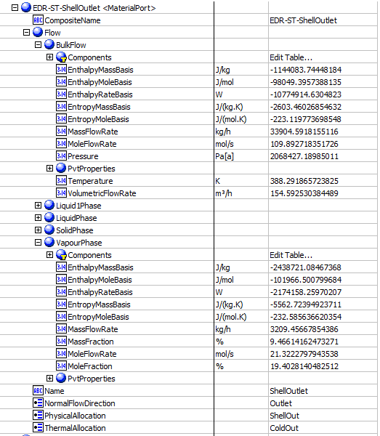
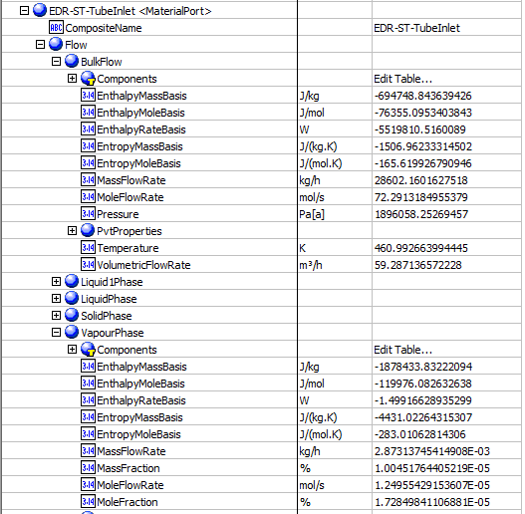
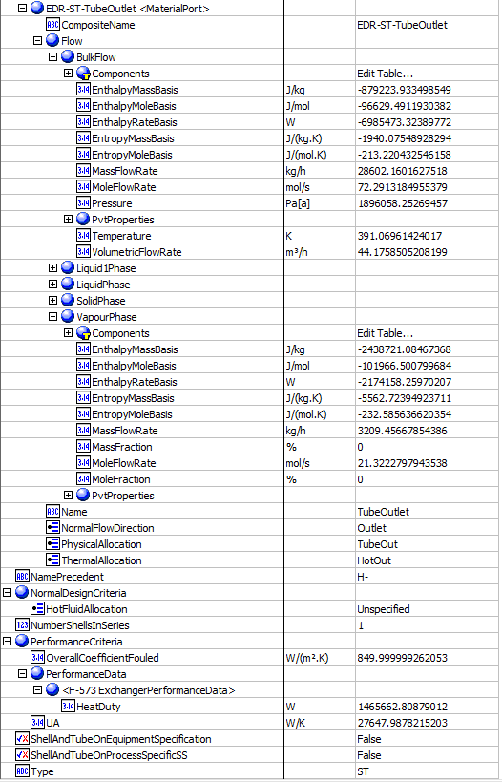
3. Connect to an ABE server and connect to a workspace. |  |  |  |  |  |  |  |  | Detailed-1.bkp
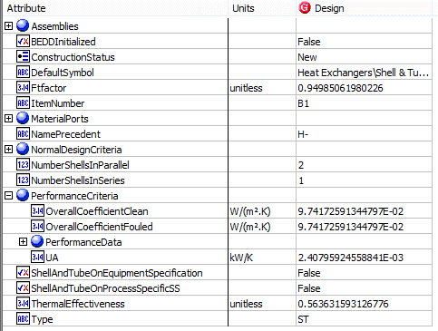
4. Click on Mapper tab, in the Flowsheet Objects page. Click on object 'EDR-ST' to enter the Object Mapping page.
5. Select 'ShellAndTubeHeatExchanger' for Map As column, select 'Create' for Workspace Object column.
6. Make sure the ports are auto-mapped. Close the Object Mapping Page.
7. Click the ‘Save Changes’ and 'Transfer ' buttons.
8. The transfer confirmation screen appears when the transfer is complete. Click ‘OK’ to close the screen.
9. Click on Explorer tab and expand the attributes of EDR-ST, check the attributes list below. The data in ABE should be in accordance with those in A+.

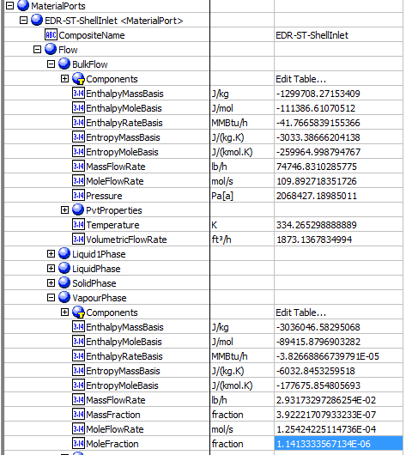
For Detailed-1.bkp, follow steps above, map 'B1' as ShellAndTubeHeatExchanger

Expected Results:
Index Number | Attributes | In A+ |  | Unit | AbeAds Class View

23 | Duty | Calculated heat duty | 1465662.81 | W | PerformanceCriteria.PerformanceData(1).HeatDuty
24 | LMTD | LMTD (Corrected) | 53.0115543 | K | Assemblies.PerformanceCriteria.Lmtd
62 | UA | UA | 27647.9878 | J/sec-K | PerformanceCriteria.OverallHeatTransferCoefficient | Use Detailed-1.bkp
74 | Overall Clean Coefficient | Average U (Clean) | 0.097417259 | W/sqm-K | PerformanceCriteria.OverallCoefficientClean | Use Detailed-1.bkp
75 | Overall Dirty Coefficient | average U (Dirty) | 850 | W/sqm-K | PerformanceCriteria.OverallCoefficientFouled
77 | Thermal Effectiveness | Thermal Effectiveness | 0.563632 |  | ThermalEffectiveness | Use Detailed-1.bkp
92 | LMTD correction factor | LMTD correction factor | 0.822828553 |  | Assemblies.PerformanceCriteria.LmtdCorrectionFactor
69 | Number of Shell in Parallel | Number of shells in parallel | 2 |  | NumberShellsInParallel | Use Detailed-1.bkp
70 | Number of Shell in Series | Number of shells in series | 1 |  | NumberShellsInSeries
78 | ColdPressureIn | OIL-Cold - Pressure | 2068427.19 | Pa | Material Port-EDR-ST-ShellInlet - Flow-BulkFlow-Pressure
79 | ColdPressureOut | OIL-Hot - Pressure | 2068427.19 | Pa | Material Port-EDR-ST-ShellOutlet - Flow-BulkFlow-Pressure
80 | ColdTemperatureIn | OIL-Cold - Temperature | 334.265299 | K | Material Port-EDR-ST-ShellInlet - Flow-BulkFlow-Temperature
81 | ColdTemperatureOut | OIL-Hot - Temperature | 388.291866 | K | Material Port-EDR-ST-ShellOutlet- Flow-BulkFlow-Temperature
82 | ColdVaporMoleFractionIn | OIL-Cold - VaporMole Fraction | 0.00000114 |  | Material Port-EDR-ST-ShellInlet - Flow-VapourPhase-MoleFraction
83 | ColdVaporMoleFractionOut | OIL-Hot - VaporMole Fraction | 0.19402814 |  | Material Port-EDR-ST-ShellOutlet- Flow-VapourPhase-MoleFraction
84 | HotPressureIn | BOTTOMS - Pressure | 1896058.253 | Pa | Material Port-EDR-ST-TubeInlet - Flow-BulkFlow-Pressure
85 | HotPressureOut | NGL-WARM - Pressure | 1896058.253 | Pa | Material Port-EDR-ST-TubeOutlet - Flow-BulkFlow-Pressure
86 | HotTemperatureIn | BOTTOMS - Temperature | 460.993 | K | Material Port-EDR-ST-TubeInlet - Flow-BulkFlow-Temperature
87 | HotTemperatureOut | NGL-WARM - Temperature | 391.07 | K | Material Port-EDR-ST-TubeOutlet - Flow-BulkFlow-Temperature
88 | HotVaporMoleFractionIn | BOTTOMS - VaporMole Fraction | 0.000000173 |  | Material Port-EDR-ST-TubeInlet - Flow-VapourPhase-MoleFraction
89 | HotVaporMoleFractionOut | NGL-WARM- VaporMole Fraction | 0 |  | Material Port-EDR-ST-TubeOutlet- Flow-VapourPhase-MoleFraction

Rigorous Shell&Tube （CQ00746228）

Test File: | EDR-ShellTube.apwz
Test UO: | EDR-ST

Teste Inputs:
1. Launch the EDR-ShellTube.apwz file and run the simulation.
2. In the ribbon bar, click on the Datasheets button. Menu to connect to an ABE server appears.
3. Connect to an ABE server and connect to a workspace.
4. Click on Mapper tab, in the Flowsheet Objects page. Click on object 'EDR-ST' to enter the Object Mapping page.
5. Select 'ShellAndTubeHeatExchanger' for Map As column, select 'Create' for Workspace Object column.
6. Make sure the ports are auto-mapped. Close the Object Mapping Page.
7. Click the ‘Save Changes’ and 'Transfer ' buttons.
8. The transfer confirmation screen appears when the transfer is complete. Click ‘OK’ to close the screen.
9. Click on Explorer tab and expand the attributes of EDR-ST, check the attributes list below. The data in ABE should be in accordance with those in A+.

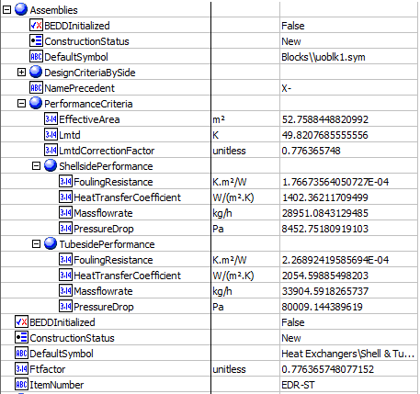
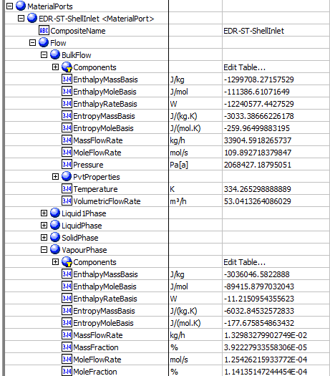
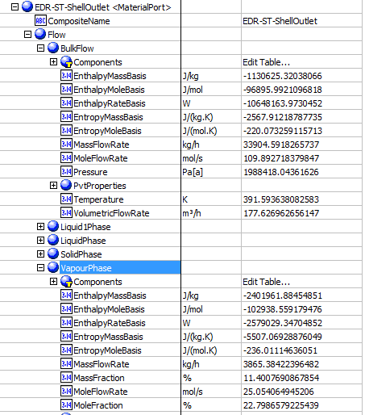
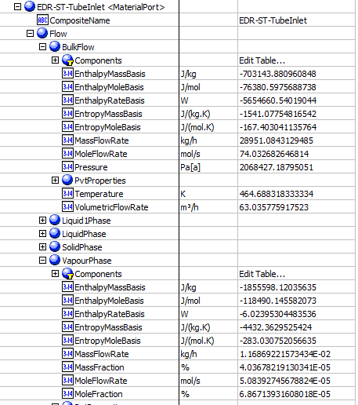
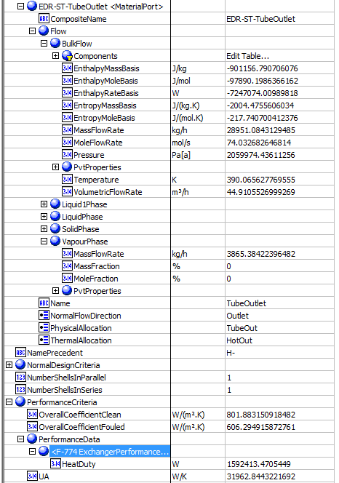
Expected Results: |  |  |  |  |  |  | In ABE
Index Number | Attributes | In A+ |  | Unit | AbeAds Class View

19 | shell side fouling resistance | Shell side Thermal resistance | 0.000176672564 | m2.K/W | Assemblies.PerformanceCriteria.ShellsidePerformance.FoulingResistance
20 | Tube side fouling resistance | Tube side Thermal resistance | 0.00022689241959 | m2.K/W | Assemblies.PerformanceCriteria.TubesidePerformance.FoulingResistance
23 | Duty | Heat duty | 1.59E+06 | W | PerformanceCriteria.PerformanceData(1).HeatDuty
24 | LMTD | LMTD (Corrected) | 49.820768 | K | Assemblies.PerformanceCriteria.Lmtd
30 | Shell side calculated pressure drop | Shell side Total pressure drop | 8452.75 | pa | Assemblies.ShellSide.NormalOperatingCriteria.PressureDrop
31 | Tube side calculated pressure drop | Tube side Total pressure drop | 80009.14 | pa | Assemblies.Bundle.NormalOperatingCriteria.PressureDrop
62 | UA | UA | 31962 | J/Sec-K | PerformanceCriteria.UA
69 | Number of Shell in Parallel |  | 1 |  | Number of Shell in Parallel
70 | Number of Shell in Series |  | 1 |  | Number of Shell in Series
74 | Overall Clean Coefficient | Average U (Clean) | 801.883 | W/m2-K | PerformanceCriteria.OverallCoefficientClean
75 | Overall Dirty Coefficient | Average U (Dirty) | 606.295 | W/m2-K | PerformanceCriteria.OverallCoefficientFouled
92 | LMTD correction factor | LMTD correction factor | 0.77636 |  | Assemblies.PerformanceCriteria.LmtdCorrectionFactor
97 | No. of exchanger per unit | N/A |  |  | NumberInService
78 | ColdPressureIn | ColdPressureIn | 2068427.1879 | Pa | MaterialPorts[ThermalAllocation="ColdIn"].Flow.BulkFlow.Pressure
79 | ColdPressureOut | ColdPressureOut | 1988418.044 | Pa | MaterialPorts[ThermalAllocation="ColdOut"].Flow.BulkFlow.Pressure
80 | ColdTemperatureIn | ColdTemperatureIn | 334.265 | K | MaterialPorts[ThermalAllocation="ColdIn"].Flow.BulkFlow.Temperature
81 | ColdTemperatureOut | ColdTemperatureOut | 391.593 | K | MaterialPorts[ThermalAllocation="ColdOut"].Flow.BulkFlow.Temperature
82 | ColdVaporMoleFractionIn | ColdVaporMoleFractionIn | 1.14E-06 |  | MaterialPorts[ThermalAllocation="ColdIn"].Flow.VapourPhase.MoleFraction
83 | ColdVaporMoleFractionOut | ColdVaporMoleFractionOut | 0.227987 |  | MaterialPorts[ThermalAllocation="ColdOut"].Flow.VapourPhase.MoleFraction
84 | HotPressureIn | HotPressureIn | 2068427.1879 | Pa | MaterialPorts[ThermalAllocation="HotIn"].Flow.BulkFlow.Pressure
85 | HotPressureOut | HotPressureOut | 2059974.5051 | pa | MaterialPorts[ThermalAllocation="HotOut"].Flow.BulkFlow.Pressure
86 | HotTemperatureIn | HotTemperatureIn | 464.688 | K | MaterialPorts[ThermalAllocation="HotIn"].Flow.BulkFlow.Temperature
87 | HotTemperatureOut | HotTemperatureOut | 390.113 | K | MaterialPorts[ThermalAllocation="HotOut"].Flow.BulkFlow.Temperature
88 | HotVaporMoleFractionIn | HotVaporMoleFractionIn | 6.87E-07 |  | MaterialPorts[ThermalAllocation="HotIn"].Flow.VapourPhase.MoleFraction
89 | HotVaporMoleFractionOut | HotVaporMoleFractionOut | 0 |  | MaterialPorts[ThermalAllocation="HotOut"].Flow.VapourPhase.MoleFraction

Heat Curves
Heat Curves （CQ00747072）

Test File: | test HX.bkp | Defect: CQ00756108 SM V10: Extra A+ HeatX HeatingCoolingCurve.Vapor data loaded
Test UO: | EDR-ST

Teste Inputs:
1. Launch the test HX.bkp file and run the simulation.
2. In the ribbon bar, click on the Datasheets button. Menu to connect to an ABE server appears.
3. Connect to an ABE server and connect to a workspace.
4. Click on Mapper tab, in the Flowsheet Objects page. Click on object 'EDR-ST' to enter the Object Mapping page.
5. Select 'ShellAndTubeHeatExchanger' for Map As column, select 'Create' for Workspace Object column.
6. Make sure the ports are auto-mapped. Close the Object Mapping Page.
7. Click the ‘Save Changes’ and 'Transfer ' buttons.
8. The transfer confirmation screen appears when the transfer is complete. Click ‘OK’ to close the screen.
9. Click on Explorer tab and expand the attributes of EDR-ST, check the attributes list below. The data in ABE should be in accordance with those in A+.

Expected Results: |  |  |  |  | In ABE
Index Number | Ads Path (AdbHeatExchanger) | A+ Attributes | ABE Class View | In A+ | Hot Side
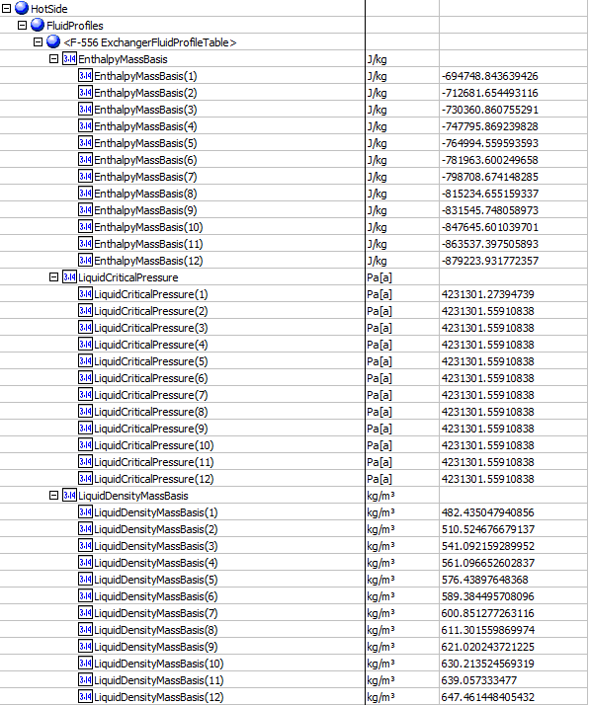

Hotside Curves
32 | Hot.HeatCurves.Points.Temperature | temperature1 (K) | HeatingCoolingCurve.Temperature1 (K) | 460.993
 |  | 2 | 2 | 454.636
 |  | 3 | 3 | 448.279
 |  | 4 | 4 | 441.923
 |  | 5 | 5 | 435.566
 |  | 6 | 6 | 429.209
 |  | 7 | 7 | 422.853
 |  | 8 | 8 | 416.496
 |  | 9 | 9 | 410.14
 |  | 10 | 10 | 403.783
 |  | 11 | 11 | 397.426
 |  | 12 | 12 | 391.07
33 | Hot.HeatCurves.Points.Pressure | pressure 1 (Pa) | HeatingCoolingCurve.Pressure1 (Pa[a]) | 1896060
 |  | 2 | 2 | 1896060
 |  | 3 | 3 | 1896060
 |  | 4 | 4 | 1896060
 |  | 5 | 5 | 1896060
 |  | 6 | 6 | 1896060
 |  | 7 | 7 | 1896060
 |  | 8 | 8 | 1896060
 |  | 9 | 9 | 1896060
 |  | 10 | 10 | 1896060
 |  | 11 | 11 | 1896060
 |  | 12 | 12 | 1896060
34 | Hot.HeatCurves[].Points[].EnthalpyMassBasis | EnthalpyMassBasis1 (J/kg) | HeatingCoolingCurve.EnthalpyMassBasis1 (J/kg) | -694750
 |  | 2 | 2 | -712680
 |  | 3 | 3 | -730360
 |  | 4 | 4 | -747800
 |  | 5 | 5 | -764990
 |  | 6 | 6 | -781960
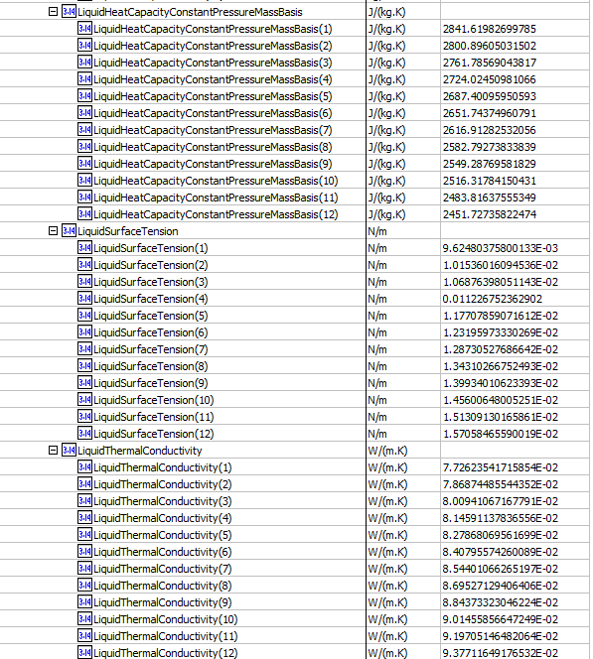
 |  | 7 | 7 | -798710
 |  | 8 | 8 | -815230
 |  | 9 | 9 | -831550
 |  | 10 | 10 | -847650
 |  | 11 | 11 | -863540
 |  | 12 | 12 | -879220
 |  |  | 13
35 | Hot.HeatCurves[].Points[].Vapor.MassFraction | TOTAL MASSVFRA1 | HeatingCoolingCurve.VaporMassFraction1(fraction) | 1.004517E-07
 |  | 2 | 2 | 0
 |  | 3 | 3 | 0
 |  | 4 | 4 | 0
 |  | 5 | 5 | 0
 |  | 6 | 6 | 0
 |  | 7 | 7 | 0
 |  | 8 | 8 | 0
 |  | 9 | 9 | 0
 |  | 10 | 10 | 0
 |  | 11 | 11 | 0
 |  | 12 | 12 | 0

36 | Hot.HeatCurves[].Points[].Vapor.MassDensity | vapor density1 (kg/m3) | HeatingCoolingCurve.VaporDensityMassBasis 1(kg/m3) | 39.2832
37 | Hot.HeatCurves[].Points[].Liquid.MassDensity | liquid density1 (kg/m3) | HeatingCoolingCurve.LiquidDensityMassBasis1 (kg/m3) | 482.435
 |  | 2 | 2 | 510.525
 |  | 3 | 3 | 541.092
 |  | 4 | 4 | 561.097
 |  | 5 | 5 | 576.439
 |  | 6 | 6 | 589.385
 |  | 7 | 7 | 600.851
 |  | 8 | 8 | 611.302
 |  | 9 | 9 | 621.02
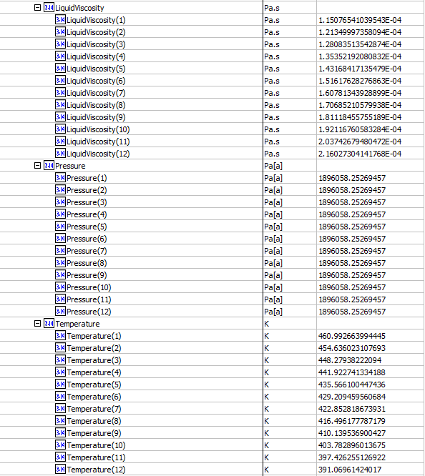
 |  | 10 | 10 | 630.214
 |  | 11 | 11 | 639.057
 |  | 12 | 12 | 647.461

38 | Hot.HeatCurves[].Points[].Vapor.Viscosity | vapor viscosity1 (cP) | HeatingCoolingCurve.VaporViscosity1 (Pa.s) | 0.0124532
39 | Hot.HeatCurves[].Points[].Liquid.Viscosity | liquid viscosity1 (cP) | HeatingCoolingCurve.LiquidViscosity1 (Pa.s) | 0.115077
 |  | 2 | 2 | 0.12135
 |  | 3 | 3 | 0.128084
 |  | 4 | 4 | 0.135352
 |  | 5 | 5 | 0.143168
 |  | 6 | 6 | 0.151618
 |  | 7 | 7 | 0.160781
 |  | 8 | 8 | 0.170685
 |  | 9 | 9 | 0.181119
 |  | 10 | 10 | 0.192117
 |  | 11 | 11 | 0.203743
 |  | 12 | 12 | 0.216027

40 | Hot.HeatCurves[].Points[].Vapor.ThermalConductivity | vapor thermal conductivity1 (W/(m.K)) | HeatingCoolingCurve.VaporThermalConductivity1 (W/(m.K)) | 0.033231
41 | Hot.HeatCurves[].Points[].Liquid.ThermalConductivity | liquid thermal conductivity 1 (W/(m.K)) | HeatingCoolingCurve.LiquidThermalConductivity1 (W/(m.K)) | 0.07726
 |  | 2 | 2 | 0.07869
 |  | 3 | 3 | 0.0800941
 |  | 4 | 4 | 0.08146
 |  | 5 | 5 | 0.08279
 |  | 6 | 6 | 0.08408
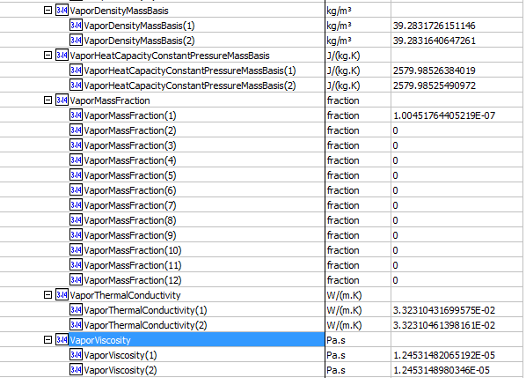
 |  | 7 | 7 | 0.08544
 |  | 8 | 8 | 0.08695
 |  | 9 | 9 | 0.08844
 |  | 10 | 10 | 0.09015
 |  | 11 | 11 | 0.09197
 |  | 12 | 12 | 0.09377
44 | Hot.HeatCurves[].Points[].Liquid.SurfaceTension | liquid surface tension1 (N/m) | HeatingCoolingCurve.LiquidSurfaceTension (N/m) | 0.0096248
 |  | 2 | 2 | 0.0101536
 |  | 3 | 3 | 0.0106876
 |  | 4 | 4 | 0.0112267
 |  | 5 | 5 | 0.0117707
 |  | 6 | 6 | 0.0123196
 |  | 7 | 7 | 0.012873
 |  | 8 | 8 | 0.013431
 |  | 9 | 9 | 0.0139934
 |  | 10 | 10 | 0.01456
 |  | 11 | 11 | 0.0151309
 |  | 12 | 12 | 0.0157058
 |  |  | 13
45 | Hot.HeatCurves[].Points[].Liquid.CriticalPressure | liquid critical pressure 1 (Pa) | HeatingCoolingCurve.LiquidCriticalPressure1 (Pa[a]) | 4231300
 |  | 2 | 2 | 4231300
 |  | 3 | 3 | 4231300
 |  | 4 | 4 | 4231300
 |  | 5 | 5 | 4231300
 |  | 6 | 6 | 4231300
 |  | 7 | 7 | 4231300
 |  | 8 | 8 | 4231300
 |  | 9 | 9 | 4231300
 |  | 10 | 10 | 4231300
 |  | 11 | 11 | 4231300
 |  | 12 | 12 | 4231300
 |  |  |  |  | Cold Side
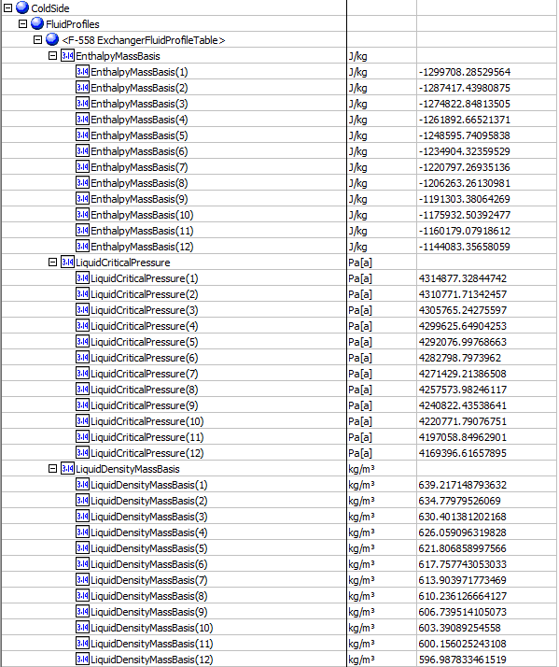
Coldside Curves
47 | Cold.HeatCurves.Points.Temperature | temperature1 (K) | HeatingCoolingCurve.Temperature1 (K) | 334.265
 |  | 2 | 2 | 339.177
 |  | 3 | 3 | 344.088
 |  | 4 | 4 | 349
 |  | 5 | 5 | 353.911
 |  | 6 | 6 | 358.823
 |  | 7 | 7 | 363.734
 |  | 8 | 8 | 368.646
 |  | 9 | 9 | 373.557
 |  | 10 | 10 | 378.469
 |  | 11 | 11 | 383.38
 |  | 12 | 12 | 388.292
48 | Cold.HeatCurves.Points.Pressure | pressure1 (Pa) | HeatingCoolingCurve.Pressure 1(Pa) | 2068430
 |  | 2 | 2 | 2068430
 |  | 3 | 3 | 2068430
 |  | 4 | 4 | 2068430
 |  | 5 | 5 | 2068430
 |  | 6 | 6 | 2068430
 |  | 7 | 7 | 2068430
 |  | 8 | 8 | 2068430
 |  | 9 | 9 | 2068430
 |  | 10 | 10 | 2068430
 |  | 11 | 11 | 2068430
 |  | 12 | 12 | 2068430
49 | Cold.HeatCurves[].Points[].EnthalpyMassBasis (J/kg) | EnthalpyMassBasis1 (J/kg) | HeatingCoolingCurve.EnthalpyMassBasis1 (J/kg) | -1299700
 |  | 2 | 2 | -1287400
 |  | 3 | 3 | -1274800
 |  | 4 | 4 | -1261900
 |  | 5 | 5 | -1248600
 |  | 6 | 6 | -1234900
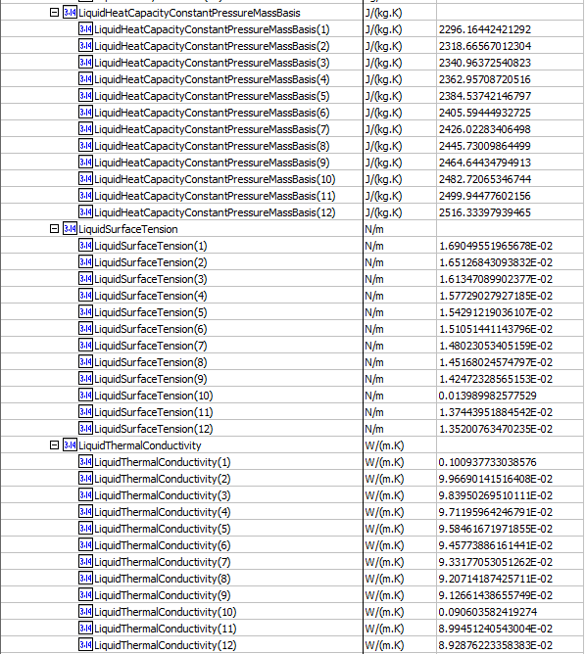
 |  | 7 | 7 | -1220800
 |  | 8 | 8 | -1206300
 |  | 9 | 9 | -1191300
 |  | 10 | 10 | -1175900
 |  | 11 | 11 | -1160200
 |  | 12 | 12 | -1144100
50 | Cold.HeatCurves[].Points[].Vapor.MassFraction | TOTAL MASSVFRA1 | HeatingCoolingCurve.VaporMassFraction 1 (fraction) | 3.42E-07
 |  | 2 | 2 | 0.00347924
 |  | 3 | 3 | 0.00765456
 |  | 4 | 4 | 0.012657
 |  | 5 | 5 | 0.018623
 |  | 6 | 6 | 0.025682
 |  | 7 | 7 | 0.033946
 |  | 8 | 8 | 0.043497
 |  | 9 | 9 | 0.054377
 |  | 10 | 10 | 0.066578
 |  | 11 | 11 | 0.08004
 |  | 12 | 12 | 0.09466
51 | Cold.HeatCurves[].Points[].Vapor.MassDensity | vapor density1 (kg/m3) | HeatingCoolingCurve.VaporDensityMassBasis1 (kg/m3) | 24.391
 |  | 2 | 2 | 25.0509
 |  | 3 | 3 | 25.7278
 |  | 4 | 4 | 26.4132
 |  | 5 | 5 | 27.0976
 |  | 6 | 6 | 27.7711
 |  | 7 | 7 | 28.4237
 |  | 8 | 8 | 29.0463
 |  | 9 | 9 | 29.6309
 |  | 10 | 10 | 30.1715
 |  | 11 | 11 | 30.664
 |  | 12 | 12 | 31.1067
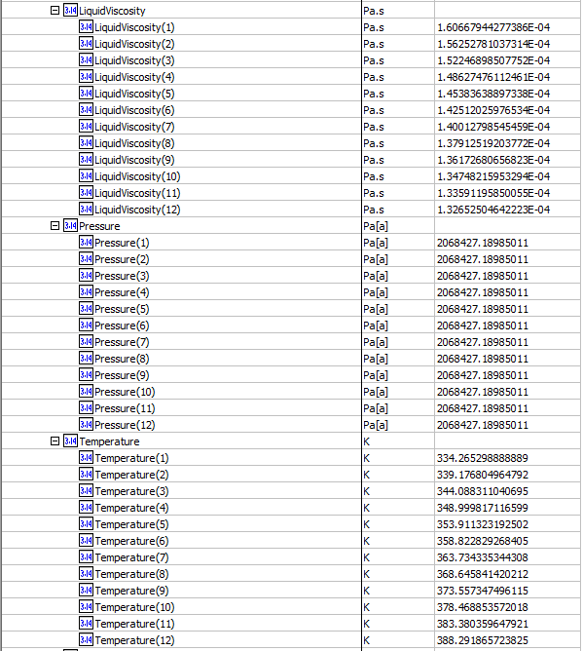
52 | Cold.HeatCurves[].Points[].Liquid.MassDensity | liquid density1 (kg/m3) | HeatingCoolingCurve.LiquidDensityMassBasis (kg/m3) | 639.212
 |  | 2 | 2 | 634.78
 |  | 3 | 3 | 630.401
 |  | 4 | 4 | 626.059
 |  | 5 | 5 | 621.807
 |  | 6 | 6 | 617.758
 |  | 7 | 7 | 613.904
 |  | 8 | 8 | 610.236
 |  | 9 | 9 | 606.74
 |  | 10 | 10 | 603.391
 |  | 11 | 11 | 600.156
 |  | 12 | 12 | 596.988
53 | Cold.HeatCurves[].Points[].Vapor.Viscosity | VAPOR MUNX1 (cP) | HeatingCoolingCurve.VaporViscosity1 (Pa.s) | 0.0112781
 |  | 2 | 2 | 0.0113222
 |  | 3 | 3 | 0.0113652
 |  | 4 | 4 | 0.0114078
 |  | 5 | 5 | 0.0114509
 |  | 6 | 6 | 0.0114952
 |  | 7 | 7 | 0.0115413
 |  | 8 | 8 | 0.0115897
 |  | 9 | 9 | 0.0116408
 |  | 10 | 10 | 0.0116947
 |  | 11 | 11 | 0.0117515
 |  | 12 | 12 | 0.011811
54 | Cold.HeatCurves[].Points[].Liquid.Viscosity | liquid viscosity1 (cP) | HeatingCoolingCurve.LiquidViscosity1 (Pa.s) | 0.160668
 |  | 2 | 2 | 0.156253
 |  | 3 | 3 | 0.152247
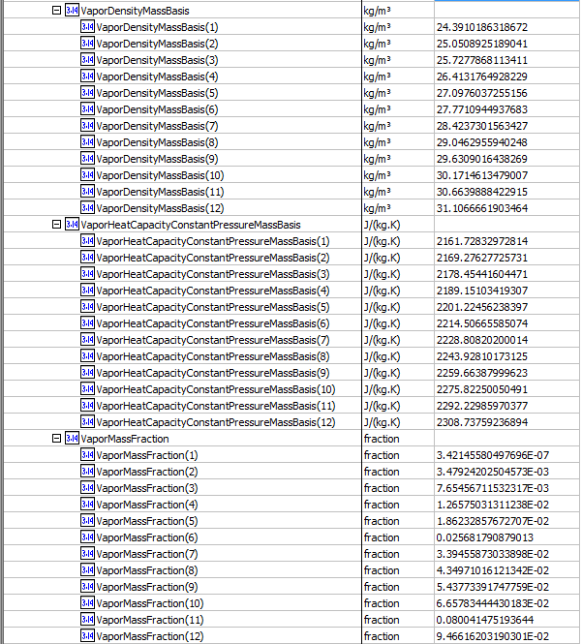
 |  | 4 | 4 | 0.148628
 |  | 5 | 5 | 0.145384
 |  | 6 | 6 | 0.142512
 |  | 7 | 7 | 0.140013
 |  | 8 | 8 | 0.137913
 |  | 9 | 9 | 0.136173
 |  | 10 | 10 | 0.134748
 |  | 11 | 11 | 0.133591
 |  | 12 | 12 | 0.132653
55 | Cold.HeatCurves[].Points[].Vapor.ThermalConductivity | vapor thermal conductivity1 (W/(m.K)) | HeatingCoolingCurve.VaporThermalConductivity1 (W/(m.K)) | 0.02859
 |  | 2 | 2 | 0.02865
 |  | 3 | 3 | 0.02872
 |  | 4 | 4 | 0.02880
 |  | 5 | 5 | 0.02891
 |  | 6 | 6 | 0.02904
 |  | 7 | 7 | 0.02919
 |  | 8 | 8 | 0.02937
 |  | 9 | 9 | 0.02958
 |  | 10 | 10 | 0.02981
 |  | 11 | 11 | 0.03007
 |  | 12 | 12 | 0.03035
56 | Cold.HeatCurves[].Points[].Liquid.ThermalConductivity | liquid thermal conductivity1 (W/(m.K)) | HeatingCoolingCurve.LiquidThermalConductivity1 (W/(m.K)) | 0.10094
 |  | 2 | 2 | 0.09967
 |  | 3 | 3 | 0.09840
 |  | 4 | 4 | 0.09712
 |  | 5 | 5 | 0.09585
 |  | 6 | 6 | 0.09458
 |  | 7 | 7 | 0.09332
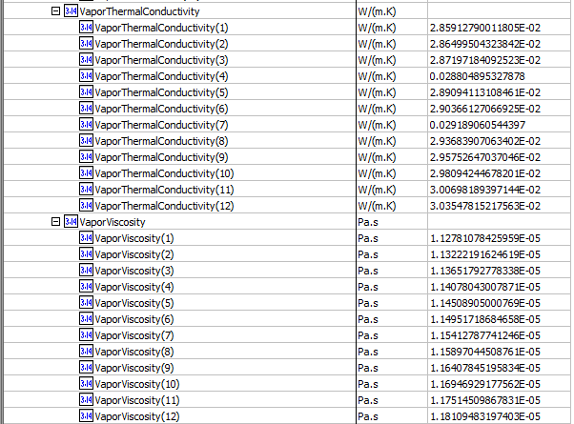
 |  | 8 | 8 | 0.09207
 |  | 9 | 9 | 0.09127
 |  | 10 | 10 | 0.09060
 |  | 11 | 11 | 0.08995
 |  | 12 | 12 | 0.08929
59 | Cold.HeatCurves[].Points[].Liquid.SurfaceTension | liquid surface tension1 (N/m) | HeatingCoolingCurve.LiquidSurfaceTension1 (N/m) | 0.0169049
 |  | 2 | 2 | 0.0165126
 |  | 3 | 3 | 0.0161347
 |  | 4 | 4 | 0.0157729
 |  | 5 | 5 | 0.0154291
 |  | 6 | 6 | 0.0151051
 |  | 7 | 7 | 0.0148023
 |  | 8 | 8 | 0.0145168
 |  | 9 | 9 | 0.0142472
 |  | 10 | 10 | 0.0139899
 |  | 11 | 11 | 0.0137444
 |  | 12 | 12 | 0.01352
60 | Cold.HeatCurves[].Points[].Liquid.CriticalPressure | liquid critical pressure 1 (Pa) | HeatingCoolingCurve.LiquidCriticalPressure 1 (Pa) | 4314880
 |  | 2 | 2 | 4310770
 |  | 3 | 3 | 4305770
 |  | 4 | 4 | 4299630
 |  | 5 | 5 | 4292080
 |  | 6 | 6 | 4282800
 |  | 7 | 7 | 4271430
 |  | 8 | 8 | 4257570
 |  | 9 | 9 | 4240820
 |  | 10 | 10 | 4220770
 |  | 11 | 11 | 4197060
 |  | 12 | 12 | 4169400

Plate Heat Exchanger
Simple Plate Heat Exchanger （CQ00749672）

Test File: | test HX.bkp | Detailed-1.bkp
Test UO: | EDR-ST | B1 |  |  |  |  | In ABE
 |  |  |  |  |  |  | test HX.bkp | Detailed-1.bkp
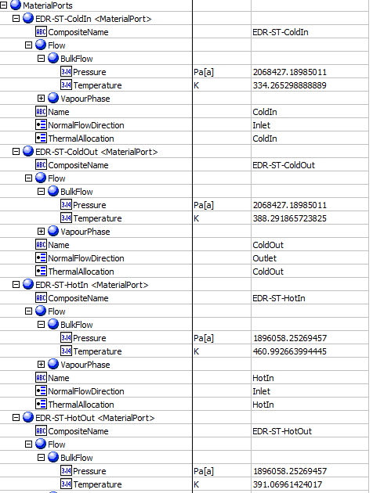
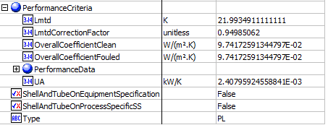
Test Inputs:
Follow steps of Simple Shell&Tube mapping(CQ00730631)
For test HX.bkp, map 'EDR-ST' as PlateHeatExchanger
For Detailed-1.bkp, map 'B1' as PlateHeatExchanger

Expected Results:
Index Number | Attributes | In A+ |  | Unit | AbeAds Class View

23 | Duty | Calculated heat duty | 5.0010490899 | MMBtu/h | PerformanceCriteria.PerformanceData(1).HeatDuty
24 | LMTD | LMTD (Corrected) | 53.011554307 | K | Assemblies.PerformanceCriteria.Lmtd
62 | UA | UA | 27.64798 | Kw/K | PerformanceCriteria.OverallHeatTransferCoefficient
74 | Overall Clean Coefficient | Average U (Clean) | 9.74E-02 | W/(m2.K) | PerformanceCriteria.OverallCoefficientClean | Use Detailed-1.bkp
75 | Overall Dirty Coefficient | average U (Dirty) | 850 | W/(m2.K) | PerformanceCriteria.OverallCoefficientFouled
92 | LMTD correction factor | LMTD correction factor | 0.822828553 |  | Assemblies.PerformanceCriteria.LmtdCorrectionFactor
78 | ColdPressureIn | OIL-Cold - Pressure | 2068427.1899 | Pa | Material Port-EDR-ST-Shell-Side - Flow-BulkFlow-Pressure
79 | ColdPressureOut | OIL-Hot - Pressure | 2068427.1899 | Pa | Material Port-EDR-ST-Shell-Side - Flow-BulkFlow-Pressure
80 | ColdTemperatureIn | OIL-Cold - Temperature | 334.265 | K | Material Port-EDR-ST-Shell-Side - Flow-BulkFlow-Temperature
81 | ColdTemperatureOut | OIL-Hot - Temperature | 388.292 | K | Material Port-EDR-ST-Shell-Side - Flow-BulkFlow-Temperature
84 | HotPressureIn | BOTTOMS - Pressure | 1896058.2527 | Pa | Material Port-EDR-ST-Tube-Side - Flow-BulkFlow-Pressure
85 | HotPressureOut | NGL-WARM - Pressure | 1896058.2527 | Pa | Material Port-EDR-ST-Tube-Side - Flow-BulkFlow-Pressure
86 | HotTemperatureIn | BOTTOMS - Temperature | 460.993 | K | Material Port-EDR-ST-Tube-Side - Flow-BulkFlow-Temperature
87 | HotTemperatureOut | NGL-WARM - Temperature | 391.07 | K | Material Port-EDR-ST-Tube-Side - Flow-BulkFlow-Temperature

Rigorous Plate Heat Exchanger （CQ00748791）

Test File: | EDR-PLATE.apwz
Test UO: | EDR-ST

Test Inputs:
Follow steps of Rigorous Shell&Tube mapping(CQ00746228)
For EDR-PLATE.apwz file, map 'EDR-ST' as PlateHeatExchanger

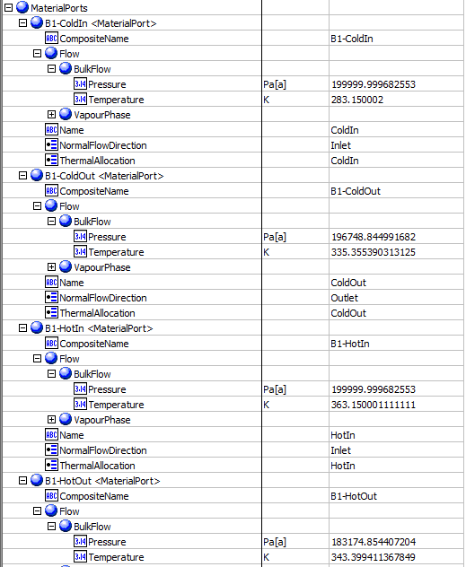
Expected Results: |  |  |  |  |  |  | In ABE
Index Number | Attributes | In A+ |  | Unit | AbeAds Class View

23 | Duty | Calculated heat duty | 519506.35132 | W | PerformanceCriteria.PerformanceData(1).HeatDuty
62 | UA | UA | 12437.3 | J/Sec-K | PerformanceCriteria.OverallHeatTransferCoefficient
92 | LMTD | LMTD | 41.7701 | K | Assemblies.PerformanceCriteria.LmtdCorrectionFactor
78 | Cold.InletPressure | Cold Inlet pressure | 199999.99968 | Pa | Material Port-EDR-ST-Shell-Side - Flow-BulkFlow-Pressure
79 | Cold.OutletPressure | Cold Outlet pressure | 196748.84514 | Pa | Material Port-EDR-ST-Shell-Side - Flow-BulkFlow-Pressure
80 | Cold.InletTemperature | Cold Inlet temperature | 283.15 | K | Material Port-EDR-ST-Shell-Side - Flow-BulkFlow-Temperature
81 | Cold.OutletTemperature | Cold Out temperature | 335.35539 | K | Material Port-EDR-ST-Shell-Side - Flow-BulkFlow-Temperature
84 | Hot.InletPressure | Hot Inlet pressure | 199999.99968 | Pa | Material Port-EDR-ST-Tube-Side - Flow-BulkFlow-Pressure
85 | Hot.OutletPressure | Hot Outlet pressure | 183174.85446 | Pa | Material Port-EDR-ST-Tube-Side - Flow-BulkFlow-Pressure
86 | Hot.InletTemperature | Hot Inlet Temperature | 363.15 | K | Material Port-EDR-ST-Tube-Side - Flow-BulkFlow-Temperature
87 | Hot.OutletTemperature | Hot Outlet Temperature | 343.39941 | K | Material Port-EDR-ST-Tube-Side - Flow-BulkFlow-Temperature

AirCooledExchanger
Simple AirCooledExchanger（CQ00749670）

Test File: | Shortcut AC.bkp
Test UO: | HTFS-AC

Test Inputs:
1. Launch shortcut.bkp file and run the simulation.
2. Go to Simulation-> Blocks -> HTFS-AC -> Stream Results, select 'add properties', add ' Heat capacity, mixture', 'Thermal conductivity, mixture' and 'Viscosity, mixture'.
3. In the ribbon bar, click on the Datasheets button. Menu to connect to an ABE server appears.
4. Connect to an ABE server and connect to a workspace.
5. Click on Mapper tab, in the Flowsheet Objects page. Click on object 'HTFS-AC' to enter the Object Mapping page.
6. Select 'AirCooledExchanger' for Map As column, select 'Create' for Workspace Object column. |  |  |  |  |  | In ABE
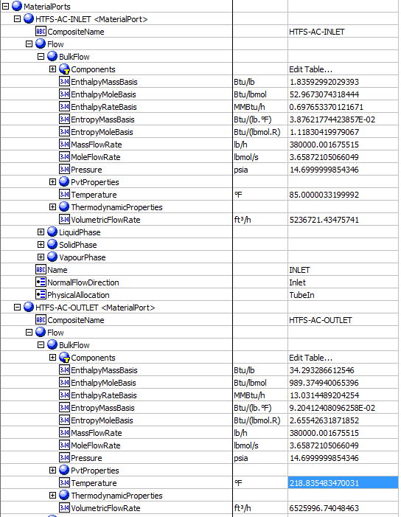
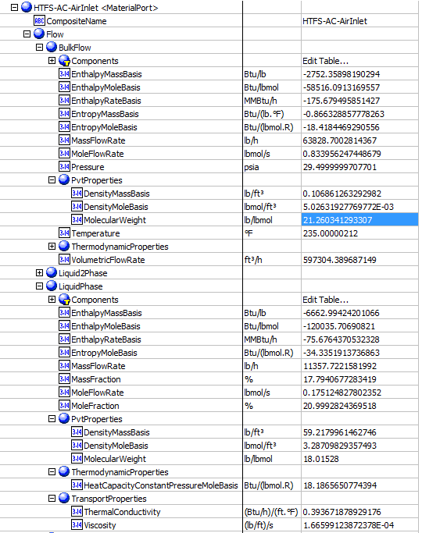
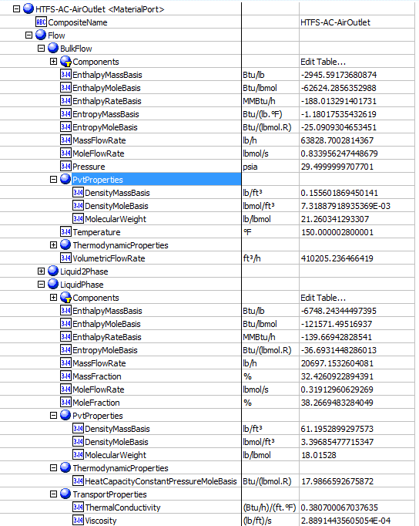
7. Make sure the ports are auto-mapped. Close the Object Mapping Page.
8. Click the ‘Save Changes’ and 'Transfer ' buttons.
9. The transfer confirmation screen appears when the transfer is complete. Click ‘OK’ to close the screen.
10. Click on Explorer tab and expand the attributes of HTFS-AC, check the attributes list below. The data in ABE should be in accordance with those in A+.

Expected Results:
Index Number | Attributes | In A+ | unit | ABE Class/AirCooledExchanger

1 | heat exchanged | 1.23E+07 | Btu/hr | PerformanceCriteria.PerformanceData(1).HeatDuty
13 | Tube side inlet pressure | 29.5 | psia | MaterialPorts[PhysicalAllocation=TubeIn].Flow.BulkFlow.Pressure
17 | Tube side inlet temperature | 235 | F | MaterialPorts[PhysicalAllocation=TubeIn].Flow.BulkFlow.Temperature
18 | Tube side outlet temperature | 150 | F | MaterialPorts[PhysicalAllocation=TubeOut].Flow.BulkFlow.Temperature
19 | Tube side inlet liquid mass flow rate | 11357.7 | lb/hr | MaterialPorts[PhysicalAllocation=TubeIn].Flow.LiquidPhase.MassFlowRate
20 | Tube side inlet vapor mass flow rate | 52471 | lb/h | MaterialPorts[PhysicalAllocation=TubeIn].Flow.VapourPhase.MassFlowRate
21 | Tube side outlet liquid mass flow rate | 20697.2 | lb/h | MaterialPorts[PhysicalAllocation=TubeOut].Flow.LiquidPhase.MassFlowRate
22 | Tube side outlet vapor mass flow rate | 43131.5 | lb/h | MaterialPorts[PhysicalAllocation=TubeOut].Flow.VapourPhase.MassFlowRate
29 | Tube side inlet vapor molecular weight | 22.1229 |  | MaterialPorts[PhysicalAllocation=TubeIn].Flow.VapourPhase.PVTProperties.MolecularWeight
31 | Tube side outlet vapor molecular weight | 23.2719 |  | MaterialPorts[PhysicalAllocation=TubeOut].Flow.VapourPhase.PVTProperties.MolecularWeight
33 | Tube side inlet liquid viscosity | 0.247927 | cp | MaterialPorts[PhysicalAllocation=TubeIn].Flow.LiquidPhase.TransportProperties.Viscosity
34 | Tube side inlet vapor viscosity | 0.0159723 | cp | MaterialPorts[PhysicalAllocation=TubeIn].Flow.VapourPhase.TransportProperties.Viscosity
35 | Tube side outlet liquid viscosity | 0.429952 | cp | MaterialPorts[PhysicalAllocation=TubeOut].Flow.LiquidPhase.TransportProperties.Viscosity
36 | Tube side outlet vapor viscosity | 0.0140615 | cp | MaterialPorts[PhysicalAllocation=TubeOut].Flow.VapourPhase.TransportProperties.Viscosity
37 | Tube side inlet liquid specific heat capacity | 18.1866 | Btu/lbmol-R | MaterialPorts[PhysicalAllocation=TubeIn].Flow.LiquidPhase.ThermodynamicProperties.HeatCapacityConstantPressureMoleBasis
38 | Tube side inlet vapor specific heat capacity | 9.99557 | Btu/lbmol-R | MaterialPorts[PhysicalAllocation=TubeIn].Flow.VapourPhase.ThermodynamicProperties.HeatCapacityConstantPressureMoleBasis
39 | Tube side outlet liquid specific heat capacity | 17.9867 | Btu/lbmol-R | MaterialPorts[PhysicalAllocation=TubeOut].Flow.LiquidPhase.ThermodynamicProperties.HeatCapacityConstantPressureMoleBasis
40 | Tube side outlet vapor specific heat capacity | 9.83708 | Btu/lbmol-R | MaterialPorts[PhysicalAllocation=TubeOut].Flow.VapourPhase.ThermodynamicProperties.HeatCapacityConstantPressureMoleBasis
41 | Tube side inlet liquid thermal conductivity | 0.393672 | Btu-ft/hr-sqft-R | MaterialPorts[PhysicalAllocation=TubeIn].Flow.LiquidPhase.TransportProperties.ThermalConductivity
42 | Tube side inlet vapor thermal conductivity | 0.0211313 | Btu-ft/hr-sqft-R | MaterialPorts[PhysicalAllocation=TubeIn].Flow.VapourPhase.TransportProperties.ThermalConductivity
43 | Tube side outlet liquid thermal conductivity | 0.3807 | Btu-ft/hr-sqft-R | MaterialPorts[PhysicalAllocation=TubeOut].Flow.LiquidPhase.TransportProperties.ThermalConductivity
44 | Tube side outlet vapor thermal conductivity | 0.019338 | Btu-ft/hr-sqft-R | MaterialPorts[PhysicalAllocation=TubeOut].Flow.VapourPhase.TransportProperties.ThermalConductivity
45 | Tube side inlet liquid density | 59.218 | lb/cuft | MaterialPorts[PhysicalAllocation=TubeIn].Flow.LiquidPhase.PvtProperties.DensityMassBasis
46 | Tube side inlet vapor density | 0.0878745 | lb/cuft | MaterialPorts[PhysicalAllocation=TubeIn].Flow.VapourPhase.PvtProperties.DensityMassBasis
47 | Tube side outlet liquid density | 61.1953 | lb/cuft | MaterialPorts[PhysicalAllocation=TubeOut].Flow.LiquidPhase.PvtProperties.DensityMassBasis
48 | Tube side outlet vapor density | 0.105233 | lb/cuft | MaterialPorts[PhysicalAllocation=TubeOut].Flow.VapourPhase.PvtProperties.DensityMassBasis
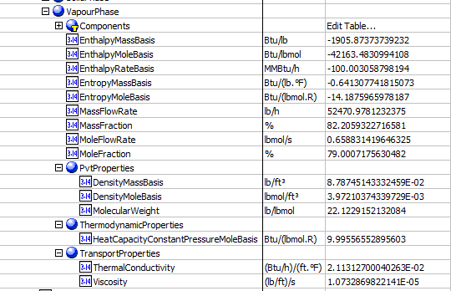
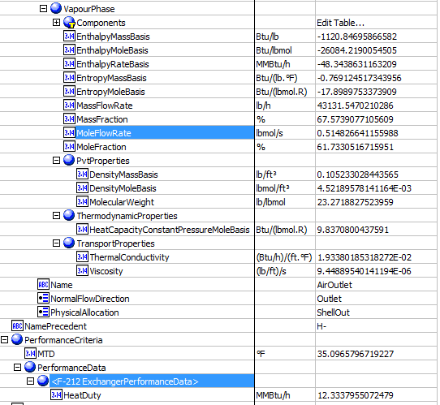
49 | Inlet air temperature | 85 | F | MaterialPorts[PhysicalAllocation="ShellIn"].Flow.BulkFlow.Temperature
52 | outlet air temperature | 218.835 | F | MaterialPorts[PhysicalAllocation="ShellOut"].Flow.BulkFlow.Temperature

Rigorous AirCooledExchanger（CQ00745140）

Test File: | AIR COOLER.bkp (The Rigorous file has an assocaiated EDR file '1_2.edr' which should be kept in the same directory)
Test UO: | 1

Test Inputs:
1. Copy the folder contains AIR COOLER.bkp and 1_2.edr files to local machine
2. Run AIR COOLER.bkp file
3. In the ribbon bar, click on the Datasheets button. Menu to connect to an ABE server appears.
4. Connect to an ABE server and connect to a workspace.
5. Click on Mapper tab, in the Flowsheet Objects page. Click on object '1' to enter the Object Mapping page.
6. Select 'AirCooledExchanger' for Map As column, select 'Create' for Workspace Object column.
7. Make sure the ports are auto-mapped. Close the Object Mapping Page.
8. Click the ‘Save Changes’ and 'Transfer ' buttons.
9. The transfer confirmation screen appears when the transfer is complete. Click ‘OK’ to close the screen.
10. Click on Explorer tab and expand the attributes of 1, check the attributes list below. The data in ABE should be in accordance with those in A+.

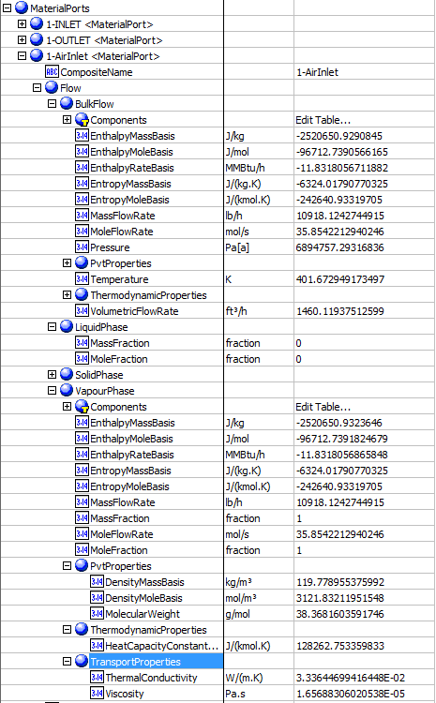
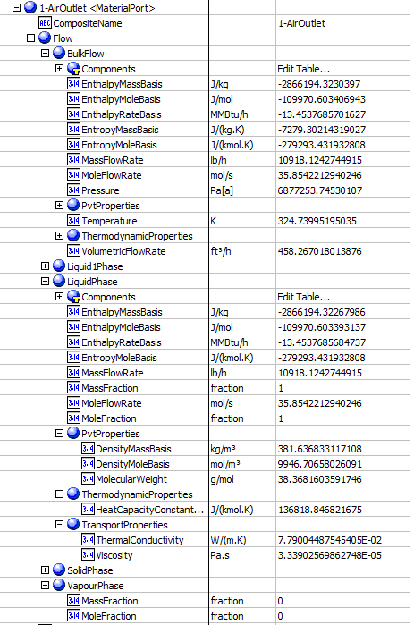
Expected results: |  |  |  |  |  |  | In ABE
AbeAds | Index Number | EDR Attribute | Data in A+ | Units | ABE Class/AirCooledExchanger For Transfer From A+

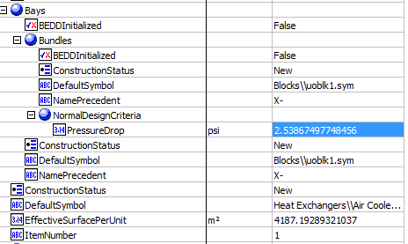
HeatTransfer | 1 | HtLdTotal | 1.62196 | MMBTU/hr | OK:PerformanceCriteria.PerformanceData(1).HeatDuty
SurfaceAreaPerUnitFinnedTube | 2 | EffSurfTotal | 4187.19 | sqm | EffectiveSurfacePerUnit
MTDEffective | 4 | MTDCorrected | 6.61614 | K | PerformanceCriteria.Lmtd
TransferRateFinned | 5 | TransferRate | 17.1588 | KW/sqm-K | PerformanceCriteria.OverallHeatTransferCoefficient
TubeSideInletPressure | 13 | PresOperInTS | 6894760 | Pa | MaterialPorts[PhysicalAllocation=TubeIn].Flow.BulkFlow.Pressure
TubeSideCalculatedPressureDrop | 15 | PresDropCalcTS | 2.53895 | psi | Bays.Bundles.NormalDesignCriteria.PressureDrop
TubeInletTemperature | 17 | TempInTS | 401.673 | K | MaterialPorts[PhysicalAllocation=TubeIn].Flow.BulkFlow.Temperature
TubeOutletTemperature | 18 | TempOutTS | 324.74 | K | MaterialPorts[PhysicalAllocation=TubeOut].Flow.BulkFlow.Temperature
TubeInletLiquidMassFlow | 19 | FloRaLiqInTS | 0 | kg/h | MaterialPorts[PhysicalAllocation=TubeIn].Flow.LiquidPhase.MassFlowRate
TubeInletVaporMassFlow | 20 | FloRaCondVapInTS | 10918.1444 | lb/h | MaterialPorts[PhysicalAllocation=TubeIn].Flow.VapourPhase.MassFlowRate
TubeOutletLiquidMassFlow | 21 | FloRaLiqOutTS | 10918.1444 | lb/h | MaterialPorts[PhysicalAllocation=TubeOut].Flow.LiquidPhase.MassFlowRate
TubeOutletVaporMassFlow | 22 | FloRaCondVapOutTS | 0 | lb/h | MaterialPorts[PhysicalAllocation=TubeOut].Flow.VapourPhase.MassFlowRate
TubeInletInletVaporMolecularWeight | 29 | MolWtVapInTS | 38.3682 |  | MaterialPorts[PhysicalAllocation=TubeIn].Flow.VapourPhase.PVTProperties.MolecularWeight
TubeOutletVaporMolecularWeight | 31 | MolWtVapInTS | blank |  | MaterialPorts[PhysicalAllocation=TubeOut].Flow.VapourPhase.PVTProperties.MolecularWeight
TubeInletLiquidViscosity | 33 | ViscLiqInTS | blank | mPa-s cp | MaterialPorts[PhysicalAllocation=TubeIn].Flow.LiquidPhase.TransportProperties.Viscosity
TubeInletVaporViscosity | 34 | ViscVapInTS | 1.65688E-05 | Pa-s | MaterialPorts[PhysicalAllocation=TubeIn].Flow.VapourPhase.TransportProperties.Viscosity
TubeOutletLiquidViscosity | 35 | ViscLiqOutTS | 0.000033902 | Pa-s | MaterialPorts[PhysicalAllocation=TubeOut].Flow.LiquidPhase.TransportProperties.Viscosity
TubeOutletVaporViscosity | 36 | ViscVapOutTS | blank | mPa-s cp | MaterialPorts[PhysicalAllocation=TubeOut].Flow.VapourPhase.TransportProperties.Viscosity
TubeInletLiquidSpecificHeatCapacity | 37 | SpHtLiqInTS | blank | J/kmol-K | MaterialPorts[PhysicalAllocation=TubeIn].Flow.LiquidPhase.ThermodynamicProperties.HeatCapacityConstantVolumeMassBasis
TubeInletVaporSpecificHeatCapacity | 38 | SpHtVapInTS | 128263 | J/kmol-K | MaterialPorts[PhysicalAllocation=TubeIn].Flow.VapourPhase.ThermodynamicProperties.HeatCapacityConstantVolumeMassBasis
TubeOutletLiquidSpecificHeatCapacity | 39 | SpHtLiqOutTS | 136819 | J/kmol-K | MaterialPorts[PhysicalAllocation=TubeOut].Flow.LiquidPhase.ThermodynamicProperties.HeatCapacityConstantVolumeMassBasis
TubeOutletVaporSpecificHeatCapacity | 40 | SpHtVapOutTS | blank |  | MaterialPorts[PhysicalAllocation=TubeOut].Flow.VapourPhase.ThermodynamicProperties.HeatCapacityConstantVolumeMassBasis
TubeInletLiquidThermalConductivity | 41 | ThCoLiqInTS | blank | W/(m-K) BTU/(ft-h-F) | MaterialPorts[PhysicalAllocation=TubeIn].Flow.LiquidPhase.TransportProperties.ThermalConductivity
TubeInletVaporThermalConductivity | 42 | ThCoVapInTS | 3.33645E-05 | kW/(m-K) | MaterialPorts[PhysicalAllocation=TubeIn].Flow.VapourPhase.TransportProperties.ThermalConductivity
TubeOutletLiquidThermalConductivity | 43 | ThCoLiqOutTS | 0.0779004 | W/(m-K) | MaterialPorts[PhysicalAllocation=TubeOut].Flow.LiquidPhase.TransportProperties.ThermalConductivity
TubeOutletVaporThermalConductivity | 44 | ThCoVapOutTS | blank | W/(m-K) BTU/(ft-h-F) | MaterialPorts[PhysicalAllocation=TubeOut].Flow.VapourPhase.TransportProperties.ThermalConductivity
TubeInletLiquidDensity | 45 | DensLiqInTS | blank | kg/cum lb/cuft | MaterialPorts[PhysicalAllocation=TubeIn].Flow.LiquidPhase.PvtProperties.DensityMassBasis
TubeInletVaporDensity | 46 | DensVapInTS | 119.779 | kg/cum | MaterialPorts[PhysicalAllocation=TubeIn].Flow.VapourPhase.PvtProperties.DensityMassBasis
TubeOutletLiquidDensity | 47 | DensLiqOutTS | 381.637 | kg/cum | MaterialPorts[PhysicalAllocation=TubeOut].Flow.LiquidPhase.PvtProperties.DensityMassBasis
TubeOutletVaporDensity | 48 | DensVapOutTS | blank | kg/cum lb/cuft | MaterialPorts[PhysicalAllocation=TubeOut].Flow.VapourPhase.PvtProperties.DensityMassBasis
AirTemperatureIn | 49 | TempInOT | 283.15 | K | MaterialPorts[PhysicalAllocation="ShellIn"].Flow.BulkFlow.Temperature
AirTemperatureOut | 52 | TempOutOT | 284.857 | K | MaterialPorts[PhysicalAllocation="ShellOut"].Flow.BulkFlow.Temperature
AirFlowPerFan | 53 | AirPerFanAct | 222.519 | m3/s | MaterialPorts[PhysicalAllocation="ShellIn"].Flow.BulkFlow.VolumetricFlowRate

Compressor & Compressor Curves
Compressor （CQ00744509）

Test File: | Compressor.bkp
Test UO: | COMP

Test Inputs:
1. Launch Compressor.bkp file and run the simulation.
2. Go to Simulation-> Blocks -> COMPR -> Stream Results, select 'add properties', add ' Ratio Cp/Cv for mixture'.
3. In the ribbon bar, click on the Datasheets button. Menu to connect to an ABE server appears.
4. Connect to an ABE server and connect to a workspace.
5. Click on Mapper tab, in the Flowsheet Objects page. Click on object 'COMPR' to enter the Object Mapping page.
6. Select 'CentrifugalCompressor' for Map As column, select 'Create' for Workspace Object column.
7. Make sure the ports are auto-mapped. Close the Object Mapping Page.
8. Click the ‘Save Changes’ and 'Transfer ' buttons.
9. The transfer confirmation screen appears when the transfer is complete. Click ‘OK’ to close the screen.
10. Click on Explorer tab and expand the attributes of COMPR, check the attributes list below. The data in ABE should be in accordance with those in A+.

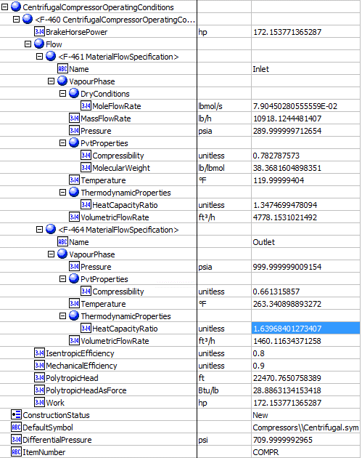
Expected Results: |  |  |  |  |  | In ABE
Attributes | data | unit | ABE Class/Compressor

Inlet Volumetric flow rate | 4778.15 | cuft/hr | CentrifugalCompressorOperatingConditions(1).Flow[Name=Inlet].VapourPhase.StandardVaporVolumetricFlowRate
Mass-flow | 10918.1 | lb/hr | CentrifugalCompressorOperatingConditions(1).Flow[Name=Inlet].VapourPhase.MassFlowRate
Inlet Pressure | 290 | psia | CentrifugalCompressorOperatingConditions(1).Flow[Name=Inlet].VapourPhase.Pressure
Inlet Temperature | 120 | F | CentrifugalCompressorOperatingConditions(1).Flow[Name=Inlet].VapourPhase.Temperature
Inlet Average MW | 38.3682 |  | CentrifugalCompressorOperatingConditions(1).Flow[Name=Inlet].VapourPhase.PvtProperties.MolecularWeight
Inlet heat capacity ratio | 1.34747 |  | CentrifugalCompressorOperatingConditions(1).Flow[Name=Inlet].VapourPhase.ThermodynamicProperties.HeatCapacityRatio
Inlet Compressibility factor | 0.782788 |  | CentrifugalCompressorOperatingConditions(1).Flow[Name=Inlet].VapourPhase.PvtProperties.Compressibility
Inlet Volumetric flow rate | 4778.15 | cuft/hr | CentrifugalCompressorOperatingConditions(1).Flow[Name=Inlet].VapourPhase.VolumetricFlowRate
Outlet Pressure | 1000 | psia | CentrifugalCompressorOperatingConditions(1).Flow[Name=Outlet].VapourPhase.Pressure
Outlet Temperature | 263.341 | F | CentrifugalCompressorOperatingConditions(1).Flow[Name=Outlet].VapourPhase.Temperature
Outlet Ratio CP/CV for mixture | 1.63968 |  | CentrifugalCompressorOperatingConditions(1).Flow[Name=Outlet].VapourPhase.ThermodynamicProperties.HeatCapacityRatio
Outlet Compressibilty factor | 0.661316 |  | CentrifugalCompressorOperatingConditions(1).Flow[Name=Outlet].VapourPhase.PvtProperties.Compressibility
Head developed | 22478.4 | ft | CentrifugalCompressorOperatingConditions(1).PolytropicHead
Efficiency | 0.8 |  | CentrifugalCompressorOperatingConditions(1).PolytropicEfficiency
Mole-flow | 7.90E-02 | lbmol/s | CentrifugalCompressorOperatingConditions(1).Flow[Name=Inlet].VapourPhase.DryConditions.MoleFlowRate
Outlet Volumetric flow rate | 1460.12 | cuft/hr | CentrifugalCompressorOperatingConditions(1).Flow[Name=Outlet].VapourPhase.VolumetricFlowRate

Compressor Curves （CQ00749608）

Test File: | Compressor Curve.bkp
Test UO: | B1

Test Inputs:
1. Launch Compressor Curve.bkp file and run the simulation.
2. In the ribbon bar, click on the Datasheets button. Menu to connect to an ABE server appears.
3. Connect to an ABE server and connect to a workspace.
4. Click on Mapper tab, in the Flowsheet Objects page. Click on object 'B1' to enter the Object Mapping page.
5. Select 'CentrifugalCompressor' for Map As column, select 'Create' for Workspace Object column.
6. Make sure the ports are auto-mapped. Close the Object Mapping Page.
7. Click the ‘Save Changes’ and 'Transfer ' buttons.
8. The transfer confirmation screen appears when the transfer is complete. Click ‘OK’ to close the screen.
9. Click on Explorer tab and expand the attributes of B1, check the attributes list below. The data in ABE should be in accordance with those in A+.

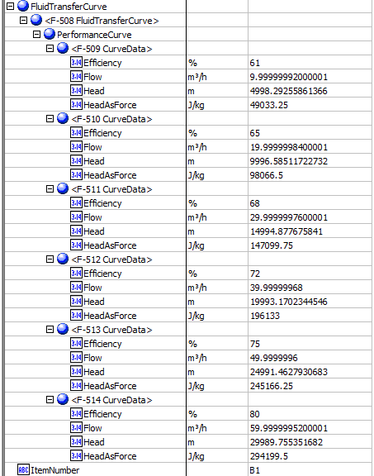
Expected Results: |  |  |  |  | In ABE
Index Number | AbeAds Class View | Attributes | Abe Default Attributes View | In A+

19 | DataEfficiency (%) | Efficiency | Curves. PerformanceCurves.Efficiency (%)
 |  | 1 | 1 | 0.61
 |  | 2 | 2 | 0.65
 |  | 3 | 3 | 0.68
 |  | 4 | 4 | 0.72
 |  | 5 | 5 | 0.75
 |  | 6 | 6 | 0.8

18 | DataFlow | Flow (cum/hr) | Curves. PerformanceCurves.Flow (m3/h)
 |  | 1 | 1 | 10
 |  | 2 | 2 | 20
 |  | 3 | 3 | 30
 |  | 4 | 4 | 40
 |  | 5 | 5 | 50
 |  | 6 | 6 | 60

17 | DataHead | Head (m) | Curves. PerformanceCurves.Head (m)
 |  | 1 | 1 | 5000
 |  | 2 | 2 | 10000
 |  | 3 | 3 | 15000
 |  | 4 | 4 | 20000
 |  | 5 | 5 | 25000
 |  | 6 | 6 | 30000

17 | DataHead | Head (J/kg) | Curves. PerformanceCurves.HeadAsForce(J/kg)
 |  | 1 | 1 | 5000
 |  | 2 | 2 | 10000
 |  | 3 | 3 | 15000
 |  | 4 | 4 | 20000
 |  | 5 | 5 | 25000
 |  | 6 | 6 | 30000

MCompressor
MCompressor （CQ00749678）

Test File: | multi-compressor.bkp
Test UO: | MULI-COMP

Test Inputs:
1. Launch multi-compressor.bkp file and run the simulation.
2. In the ribbon bar, click on the Datasheets button. Menu to connect to an ABE server appears.
3. Connect to an ABE server and connect to a workspace.
4. Click on Mapper tab, in the Flowsheet Objects page. Click on object 'MULI-COMPR' to enter the Object Mapping page.
5. Select 'CentrifugalCompressor' for Map As column, select 'Create' for Workspace Object column.
6. Make sure the ports are auto-mapped. Close the Object Mapping Page.
7. Click the ‘Save Changes’ and 'Transfer ' buttons.
8. The transfer confirmation screen appears when the transfer is complete. Click ‘OK’ to close the screen.
9. Click on Explorer tab and expand the attributes of MULI-COMPR, check the attributes list below. The data in ABE should be in accordance with those in A+.

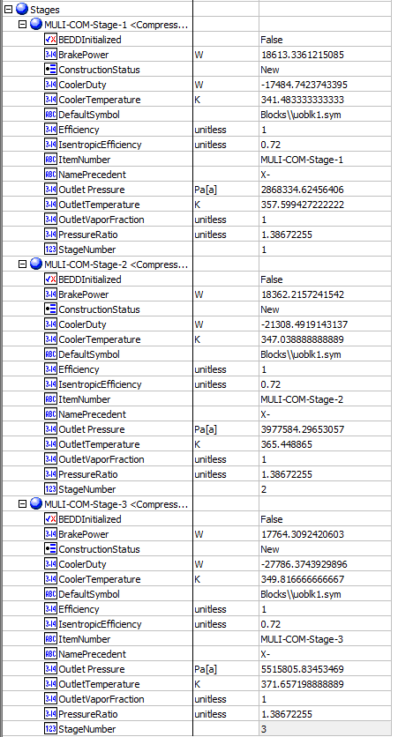
Expected Results: |  |  |  |  |  | In ABE
Index Number | Attributes | Abe Default Attributes View | In A+

28 | OutletPressure (Pa) | Stages(*).Outlet pressure (Pa[a]) | Stage 1 | 2868334.6246
 |  |  | Stage2 | 3977584.2965
 |  |  | Stage 3 | 5515805.8345
29 | OutletTemperature (K) | Stages(*).OutletTemperature (K) | Stage 1 | 357.59942722
 |  |  | Stage2 | 365.448865
 |  |  | Stage 3 | 371.65719889
30 | Outlet Vapor Fraction | Stages(*).OutletVaporFraction (unitless) | Stage 1 | 1
 |  |  | Stage2 | 1
 |  |  | Stage 3 | 1
31 | Brake Power (W) | Stages(*).BrakePower (W) | Stage 1 | 18613.336122
 |  |  | Stage2 | 18362.215724
 |  |  | Stage 3 | 17764.309242
32 | Cooler Temperature (K) | Stages(*).CoolerTemperature (K) | Stage 1 | 341.48333333
 |  |  | Stage2 | 347.03888889
 |  |  | Stage 3 | 349.81666667
33 | IsentropicEfficiency | Stages(*).IsentropicEfficiency (unitless) | Stage 1 | 0.72
 |  |  | Stage2 | 0.72
 |  |  | Stage 3 | 0.72
34 | PolytropicEfficiency | Stages(*).Efficiency | Stage 1 | 0.72 | Notes: PolytropicEfficiency and IsentropicEfficiency are two different model. Only one will display. You can change the model to the other one to see the efficiency.
 |  |  | Stage2 | 0.72
 |  |  | Stage 3 | 0.72
35 | PressureRatioActual | Stages(*).PressureRatio | Stage 1 | 1.38672255
 |  |  | Stage2 | 1.38672255
 |  |  | Stage 3 | 1.38672255
36 | Cooler Duty (W) | Stages(*).CoolerDuty (W) | Stage 1 | -17484.742374
 |  |  | Stage2 | -21308.491914
 |  |  | Stage 3 | -27786.374393
37 | StageNumber | Stages(*).StageNumber | Stage 1 | 1
 |  |  | Stage2 | 2
 |  |  | Stage 3 | 3

Expander
Expander （CQ00744509）

Test File: | Expander.bkp
Test UO: | B1

Test Inputs:
1. Launch Expander.bkp file and run the simulation.
2. In the ribbon bar, click on the Datasheets button. Menu to connect to an ABE server appears.
3. Connect to an ABE server and connect to a workspace.
4. Click on Mapper tab, in the Flowsheet Objects page. Click on object 'B1' to enter the Object Mapping page.
5. Select 'Turbine' for Map As column, select 'Create' for Workspace Object column.
6. Make sure the ports are auto-mapped. Close the Object Mapping Page.
7. Click the ‘Save Changes’ and 'Transfer ' buttons.
8. The transfer confirmation screen appears when the transfer is complete. Click ‘OK’ to close the screen.
9. Click on Explorer tab and expand the attributes of B1, check the attributes list below. The data in ABE should be in accordance with those in A+.

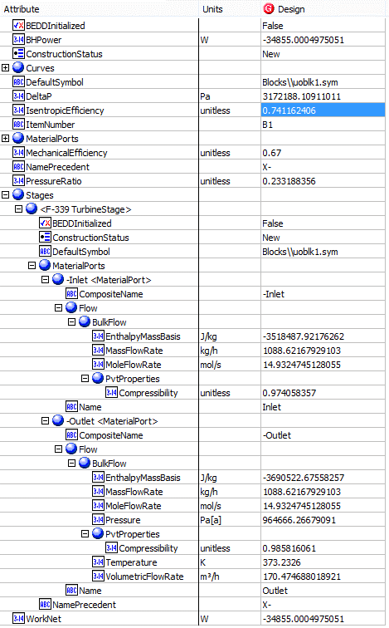
Expected Results: |  |  |  |  | In ABE
Index Number | Attributes | AbeAds Class View | Abe Default Attributes View | In A+

4 | CompressibilityIn | CompressibiltyIn (unitless) | Stages(1).MaterialPorts[Name="Inlet"].Flow.BulkFlow.PvtProperties.Compressibility(unitless) | 0.974058357
5 | CompressibilityOut | CompressibiltyOut(unitless) | Stages(1).MaterialPorts[Name="Outlet"].Flow.BulkFlow.PvtProperties.Compressibility(unitless) | 0.985816061
6 | IsentropicCoefficient (Efficiency) | IsentropicCoefficient | IsentropicCoefficient | 0.741162406
7 | Outlet Pressure(Pa) | PressureOut (Pa[a]) | Stages(1).MaterialPorts[Name="Outlet"].Flow.BulkFlow.Pressure (Pa[a]) | 964666.26679
8 | Outlet Temperature (K) | TemperatureOut (K) | Stages(1).MaterialPorts[Name="Outlet"].Flow.BulkFlow.Temperature (K) | 373.2326
9 | MassFlowin (kg/hr) | MassFlowIn (kg/h) | Stages(1).MaterialPorts[Name="Inlet"].Flow.BulkFlow.MassFlowRate (kg/h) | 1088.621688
10 | MoleFlowin (mol/sec) | MoleFlowIn (mol/s) | Stages(1).MaterialPorts[Name="Inlet"].Flow.BulkFlow.MoleFlowRate (mol/s) | 14.932474513
11 | MassFlowOut (kg/hr) | MassFlowOut (kg/hr) | Stages(1).MaterialPorts[Name="Outlet"].Flow.BulkFlow.MassFlowRate (kg/h) | 1088.621688
12 | Moleflowout (mol/sec) | MoleFlowOut (mol/s) | Stages(1).MaterialPorts[Name="Outlet"].Flow.BulkFlow.MoleFlowRate (mol/s) | 14.932474513
13 | EnthalpyFlowIn (J/kg) | EnthalpyFlowIn (J/kg) | Stages(1).MaterialPorts[Name="Inlet"].Flow.BulkFlow.EnthalpyMassBasis (J/kg) | -3518487.9218
14 | EnthalpyFlowOut (J/kg) | EnthalpyFlowOut (J/kg) | Stages(1).MaterialPorts[Name="Outlet"].Flow.BulkFlow.EnthalpyMassBasis (J/kg) | -3690522.6756
15 | VolumetricFlowOut (l/hr) | VolumetricFlowOut(l/h) | Stages(1).MaterialPorts[Name="Outlet"].Flow.BulkFlow.PvtProperties.VolumetricFlowRate (l/hr) | 170474.68938
16 | MechanicalEfficiency | MechanicalEfficiency | MechanicalEfficiency | 0.67
17 | Work net (W) | WorkNet(J) | Worknet (W) | -34855
18 | Electrical horsepower(W) | ElectricalPower (hp) | BHPower(W) | -34855
19 | PressureDrop(Pa) | PressureDrop(psi] | DeltaP (Pa) | 3172188.11
20 | Polytropic Efficiency | PolytropicEfficiency (%) | PolytropicEfficiency | 0.741162406

Streams
Streams （CQ00741379）

Test File: | ICPEbegin-1.apwz | Aspen_Plus_Scaling_Model_BaCO3_CO2_H2O.bkp | 161639.bkp
Test UO: | FEED | FEED | 2

Test Inputs:
1. Launch ICPEbegin-1.apwz file.
2. Go to Simulation-> Streams -> FEED -> Results, select 'add properties', add ' Heat capacity, mixture', 'Compressibility factor, mixture', 'Ratio Cp/Cv for mixture', 'Surface tension, mixture', 'Thermal conductivity, mixture', 'Viscosity, mixture', 'Kinematic viscosity' and 'Mass heat capacity, Cv for mixture'.
3. In the ribbon bar, click on the Datasheets button. Menu to connect to an ABE server appears.
4. Connect to an ABE server and connect to a workspace.
5. Click on Mapper tab, in the Flowsheet Objects page. Click on object 'FEED' to enter the Object Mapping page.
6. Select 'PrimaryPipingSystem' for Map As column, select 'Create' for Workspace Object column.
7. Click the ‘Save Changes’ and 'Transfer ' buttons.
8. The transfer confirmation screen appears when the transfer is complete. Click ‘OK’ to close the screen.
9. Click on Explorer tab and expand the attributes of Feed, check the attributes list below. The data in ABE should be in accordance with those in A+.

Expected Results: |  |  |  | In ABE
Index Number | Attributes | AbeAdsPump Class View | In A+ (SI) | BulkFlow | LiquidPhase |  | Mass/Mole Fraction
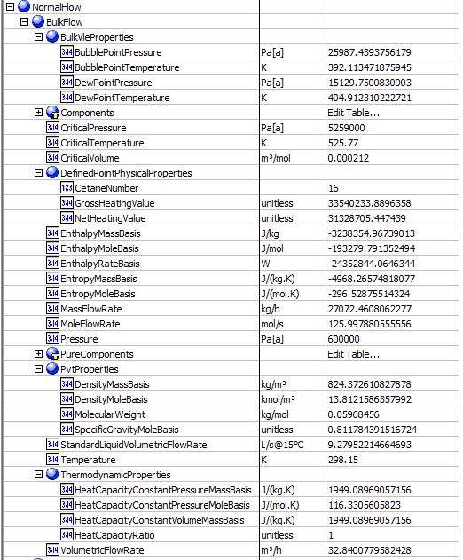
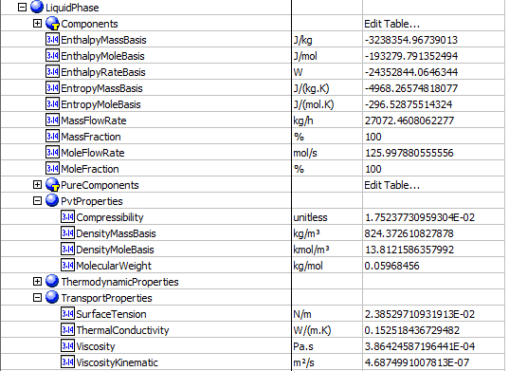
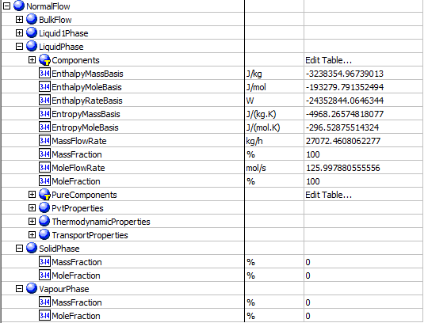
4 | BubblePointPressure(Pa) | BulkBubblePointPressure N/sqm | 25987.4
5 | BubblePointTemperature(K) | BulkBubblePointTemperature K | 392.113
9 | CetaneNumber | BulkCetaneNumber | 16.3373
11 | Compressbility | BulkCompressbility | 0.0175238
13 | CriticalPressure(Pa) | BulkCriticalPressure(Pa[a]) N/sqm | 5.26E+06
14 | CriticalTemperature(K) | BulkCriticalTemperature(K) | 525.77
15 | CriticalVolume(cum/kmol) | BulkCriticalVolume(m3/kmol) | 0.212
17 | DewPointPressure(Pa) | BulkDewPointPressure(Pa[a]) N/sqm | 15129.8
18 | DewPointTemperature(K) | BulkDewPointTemperature(K) | 404.912
19 | EnthalpyFlow(W) | BulkEnthalpyFlow(W) | -24352844.00
22 | GrossHeatingValue(J/kg) | BulkGrossHeatingValue J/kg | 3.35E+07
23 | HeatCapacityRatio | BulkHeatCapacityRatio | 1
26 | MassDensity(kg/cum) | BulkMassDensity(kg/m3) | 824.373
27 | MassEnthalpy(J/kg) | BulkMassEnthalpy(J/kg) | -3238354.97
28 | MassEntropy(J/kg-K) | BulkMassEntropy(J/kg.K) | -4968.27
29 | MassFlow(kg/h) | BulkMassFlow(kg/h) | 27072.5
30 | MassHeatCapacity(J/kg-K) | BulkMassHeatCapacity (J/kg.K) | 1949.09
31 | MassHeatCapacityConstVolume(J/kg-K) | BulkMassHeatCapacityConstVolume | 1949.09
32 | MolarDensity(mol/L) | BulkMolarDensity(kmol/m3) | 13.8122
33 | MolarEnthalpy(kJ/kmol) | BulkMolarEnthalpy(J/mol) | -193279.79135
34 | MolarEntropy(kJ/kmol-K) | BulkMolarEntropy(J/(mol.K)) | -296.529
35 | MolarFlow(mol/sec) | BulkMolarFlow(kmol/m3) | 125.998
36 | MolarHeatCapacity(J/kmol-K) | BulkMolarHeatCapacity | 116331
38 | MolecularWeight | BulkMolecularWeight(g/mol) | 59.6846
40 | NetHeatingValue(J/kg) | BulkNetHeatingValue | 3.13E+07
44 | Pressure(Pa) | BulkPressure(Pa[a]) | 600000
47 | SpecificGravityMole | BulkSpecificGravityMole | 0.811784
48 | StandardLiquidVolumeFlowRate(cum/h) | BulkStandardLiquidVolumeFlowRate | 33.4063
51 | Surface Tension(N/m) | BulkSurfaceTension(N/m) | 0.023853
52 | Temperature(K) | BulkTemperature(K) | 298.15
53 | ThermalConductivity(W/m-K) | BulkThermalConductivity | 0.152518
58 | Vicosity(Pa.s) | BulkVicosity(Pa.s) | 0.000386425
59 | KineticViscosity(sqm/sec) | BulkVicosityKinematic(m2/s) | 4.69E-07
60 | VolumetricFlow | BulkVolumetricFlow(m3/h) | 32.8401
 | LiquidMassFraction | LiquidMassFraction | 1
 | LiquidMoleFraction | LiquidMoleFraction | 1
 | SolidMassFraction | SolidMassFraction | 0
 | SolidMoleFraction | SolidMoleFraction | 0
 | VaporMassFraction | VaporMassFraction | 0
 | VaporMoleFraction | VaporMoleFraction | 0 | LiquidMassFraction |  | LiquidMoleFraction
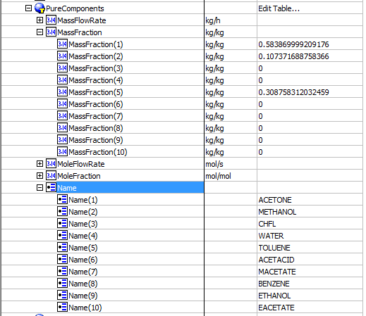
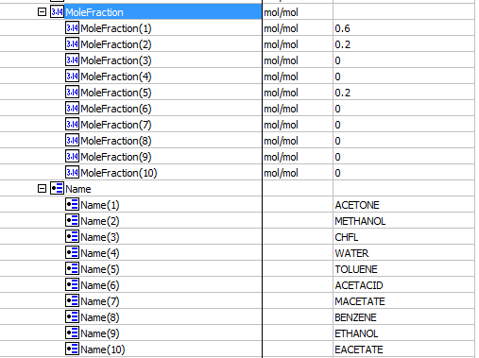
64 | LiquidMassFraction | ACETONE | 0.58387
 |  | METHANOL | 0.107372
 |  | CHFL | 0
 |  | WATER | 0
 |  | TOLUENE | 0.308758
 |  | ACETACID | 0
 |  | MACETATE | 0
 |  | BENZENE | 0
 |  | ETHANOL | 0
 |  | EACETATE | 0
65 | LiquidMoleFraction | ACETONE | 0.6
 |  | METHANOL | 0.2
 |  | CHFL | 0
 |  | WATER | 0
 |  | TOLUENE | 0.2
 |  | ACETACID | 0
 |  | MACETATE | 0
 |  | BENZENE | 0
 |  | ETHANOL | 0
 |  | EACETATE | 0

For this part use Aspen_Plus_Scaling_Model_BaCO3_CO2_H2O.bkp |  | Stream - FEED |  | SolidMassFraction |  | SolidMoleFraction
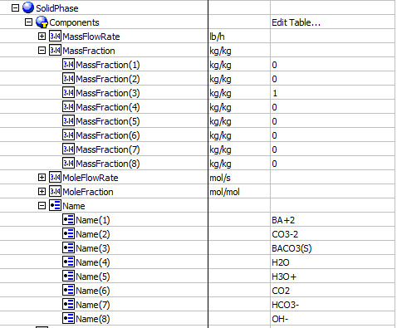
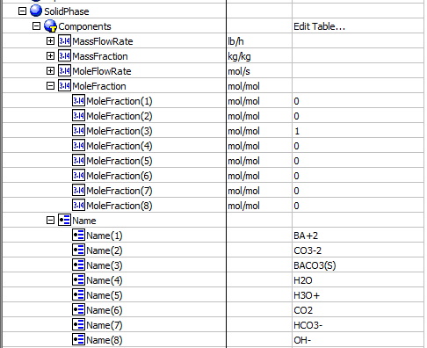
66 | SolidMassFraction | BA+2 | 0
 |  | CO3-2 | 0
 |  | BACO3(S) | 1
 |  | H2O | 0
 |  | H3O+ | 0
 |  | CO2 | 0
 |  | HCO3- | 0
 |  | OH- | 0
67 | SolidMoleFraction | BA+2 | 0
 |  | CO3-2 | 0
 |  | BACO3(S) | 1
 |  | H2O | 0
 |  | H3O+ | 0
 |  | CO2 | 0
 |  | HCO3- | 0
 |  | OH- | 0
68 | VaporMassFraction | BA+2 | 0
 |  | CO3-2 | 0
 |  | BACO3(S) | 0
 |  | H2O | 0.0100959 | VapourMassFraction |  | VapourMoleFraction


 |  | H3O+ | 0
 |  | CO2 | 0.989904
 |  | HCO3- | 0
 |  | OH- | 0
69 | VaporMoleFraction | BA+2 | 0
 |  | CO3-2 | 0
 |  | BACO3(S) | 0
 |  | H2O | 0.0243093
 |  | H3O+ | 0
 |  | CO2 | 0.975691
 |  | HCO3- | 0
 |  | OH- | 0

For this part use 161639.bkp | Stream - 2
 |  |  |  | Could, Smoke,&Freeze Point
10 | CloudPoint K | BulkCloudPoint | 201.885
21 | FreezePoint K | BulkFreezePoint K | 172.497
45 | SmokePoint M | BulkSmokePoint | 27.3707

Vessels
Vessels （CQ00748800）

Test File: | open file example Biodiesel Production from Vegetable Oil.bkp
Test UO: | MIX03

Test Inputs:
1. Launch ammonia.apwz file.
2. In the ribbon bar, click on the Datasheets button. Menu to connect to an ABE server appears.
3. Connect to an ABE server and connect to a workspace.
4. Click on Mapper tab, in the Flowsheet Objects page. Click on object 'MIX03' to enter the Object Mapping page.
5. Select 'Filter' for Map As column, select 'Create' for Workspace Object column.
6. Make sure the ports are auto-mapped. Close the Object Mapping Page.
7. Click the ‘Save Changes’ and 'Transfer ' buttons.
8. The transfer confirmation screen appears when the transfer is complete. Click ‘OK’ to close the screen.
9. Click on Explorer tab and expand the attributes of MIX03, check the attributes list below. The data in ABE should be in accordance with those in A+.


Expected results: |  |  |  | In ABE
Index Number | Attributes | AbeAdsPump Class View | In A+ (SI) |  | Compressbility, Surface Tension

4 | BubblePointPressure(KPa) | BulkBubblePointPressure (Pa) | 20255.5
5 | BubblePointTemperature(K) | BulkBubblePointTemperature K | 594.44315
9 | CetaneNumber | BulkCetaneNumber | 13.2565
11 | Compressbility | MaterialPorts.MIX03-Inlet2.Flow.LiquidPhase.PvtProperties.Compressibility | 0.00728
13 | CriticalPressure(kPa) | BulkCriticalPressure(Pa[a]) N/sqm | 22064
14 | CriticalTemperature(K) | BulkCriticalTemperature(K) | 647.096
15 | CriticalVolume(cum/kmol) | BulkCriticalVolume(m3/kmol) | 0.0559472
17 | DewPointPressure(kPa) | BulkDewPointPressure(Pa[a]) N/sqm | 20255.5
18 | DewPointTemperature(K) | BulkDewPointTemperature(K) | 594.443
19 | EnthalpyFlow(kW) | BulkEnthalpyFlow(W) | -826274
22 | GrossHeatingValue(J/kg) | BulkGrossHeatingValue J/kg | 0
23 | HeatCapacityRatio | BulkHeatCapacityRatio | 1.75274
26 | MassDensity(kg/cum) | BulkMassDensity(kg/m3) | 50.3054
27 | MassEnthalpy(J/kg) | BulkMassEnthalpy(J/kg) | -1.30E+07
28 | MassEntropy(J/kg-K) | BulkMassEntropy(J/kg.K) | -3499.12
29 | MassFlow(kg/h) | BulkMassFlow(kg/h) | 228135
30 | MassHeatCapacity (J/kg-K) | BulkMassHeatCapacity (J/kg.K) | 4064.58
31 | MassHeatCapacityConstVolume(J/kg-K) | BulkMassHeatCapacityConstVolume | 2318.99
32 | MolarDensity(mol/L) | BulkMolarDensity(kmol/m3) | 2.79232
33 | MolarEnthalpy(kJ/kmol) | BulkMolarEnthalpy(J/mol) | -234896
34 | MolarEntropy(kJ/kmol-K) | BulkMolarEntropy(J/(mol.K)) | -63.0377
35 | MolarFlow(kmol/s) | BulkMolarFlow(kmol/s) | 3.517615
36 | MolarHeatCapacity(J/mol-K) | BulkMolarHeatCapacity (J/kmol-K) | 73.2246
38 | MolecularWeight | BulkMolecularWeight(g/mol) | 18.01528
40 | NetHeatingValue(J/kg) | BulkNetHeatingValue | 0
44 | Pressure(Pa) | BulkPressure(Pa[a]) | 11473780
47 | SpecificGravityMole | BulkSpecificGravityMole | 1
48 | StandardLiquidVolumeFlowRate(l/s) | BulkStandardLiquidVolumeFlowRate(l/s) | 0.18647
51 | Surface Tension(N/m) | BulkSurfaceTension(N/m) | 0.0529284
52 | Temperature(K) | BulkTemperature(K) | 640.01099362
53 | ThermalConductivity(W/m-K) | BulkThermalConductivity | 0.07186

58 | Vicosity(cP) | BulkVicosity(Pa.s) | 0.2304 | Mole/Mass Fraction
59 | KineticViscosity(sqm/sec) | BulkVicosityKinematic(m2/s) | NA
60 | VolumetricFlow (m3/h) | BulkVolumetricFlow(m3/s) | 4535.08
 | LiquidMassFraction | LiquidMassFraction | 0
 | LiquidMoleFraction | LiquidMoleFraction | 0
 | SolidMassFraction | SolidMassFraction | 0
 | SolidMoleFraction | SolidMoleFraction | 0
 | VaporMassFraction | VaporMassFraction | 1
 | VaporMoleFraction | VaporMoleFraction | 1

add properties:
Bubble point pressure
Bubble point temperature
Cetane number
Compressibility factor, mixture
Critical pressure, mixture
Critical temperature, mixture
Critical volumn, mixture
Heat capacity,mixture
Dew point pressure
Dew point temperature
Gross heating value
Ratio Cp/Cv for mixture
Mass heat capacity, mixture
Mass heat capacity, Cv for mixture
Heat capacity, mixture
Net heat value
Specific gravity
Standard liquide volumn flow
Surface tension, mixture
thermal conductivity,mixture
Viscosity, mixture
Kinematic viscosity

Utility
Utility（CQ00751155）

Pumps
Test Inputs:
Test File: | Pump-Eletricity.bkp
Test UO: | PUMP
Map As: | CentrifugalPump

Expected Results: |  |  |  |  | In ABE
Index Number | Attributes | Classview Attributes | Data in A+ | Unit | Pump

U1 | UtilityID | UtilityID | U-1
U2 | UtilityDuty | UtilityDuty | 17.8985 | kW
U3 | UtilityUsage | UtilityUsage | 17.8985 | kW
U4 | UtilityCost | UtilityCost | 1.34238 | $/hr
U5 | UtilityCO2EmissionRate | UtilityCO2EmissionRate | NA

Separator
Test Inputs:
Test File: | Separator-Stream.bkp
Test UO: | B9
Map As: | Separator

Expected Results: |  |  |  |  | In ABE
Index Number | Attributes | Classview Attributes | Data in A+ | Unit | Separator

U1 | UtilityID | UtilityID | U-1
U2 | UtilityDuty | UtilityDuty | 3134.49 | kW
U3 | UtilityUsage | UtilityUsage | 5545.72 | kg/hr
U4 | UtilityCost | UtilityCost | 24.8251 | $/hr
U5 | UtilityCO2EmissionRate | UtilityCO2EmissionRate | NA

Compressor
Test Inputs:
Test File: | Compressor-Utility.bkp
Test UO: | COMPR
Map As: | CentrifugalCompressor

Expected Results: |  |  |  |  | In ABE
Index Number | Attributes | Classview Attributes | Data in A+ | Unit | Compressor

U1 | UtilityID | UtilityID | U-2
U2 | UtilityDuty | UtilityDuty | 128.375 | kW
U3 | UtilityUsage | UtilityUsage | 128.375 | kW
U4 | UtilityCost | UtilityCost | 9.94909 | $/hr
U5 | UtilityCO2EmissionRate | UtilityCO2EmissionRate | 44.5338 | kg/hr

AirCooler
Test Inputs:
Test File: | AirCooler-Cooler_Utility.bkp | Note: The Rigorous file has an assocaiated EDR file '1_2.edr' which should be kept in the same directory
Test UO: | 1
Map As: | AirCooledExchanger

Expected Results: |  |  |  |  | In ABE
Index Number | Attributes | Classview Attributes | Data in A+ | Unit | AirCooler

U1 | ElectricityUsage | ElectricityUsage | 69.9467 | kW
U2 | ElectricityCost | ElectricityCost | 5.42087 | $/hr

HeaterCooler
Test Inputs:
Test File: | HeaterCooler_Utility.bkp
Test UO: | B1
Map As: | ShellAndTueExchanger

Expected Results: |  |  |  |  | In ABE
Index Number | Attributes | Classview Attributes | Data in A+ | Unit | HeaterCooler

U1 | UtilityID | UtilityID | U-3
U2 | UtilityDuty | UtilityDuty | 9.36E+02 | kW
U3 | UtilityUsage | UtilityUsage | 1655.14 | kg/hr
U4 | UtilityCost | UtilityCost | 7.40916 | $/hr
U5 | UtilityCO2EmissionRate | UtilityCO2EmissionRate | 221.443 | lb/hr

Column
Test Inputs:
Test File: | Column_Utility.bkp
Test UO: | B6

1. Launch the Column_Utility.bkp file and run it.
2. In the ribbon bar, click on the Datasheets button. Menu to connect to an ABE server appears.
3. Connect to an ABE server and connect to a workspace.
4. Click on Mapper tab, in the Flowsheet Objects page. Click on object 'B6' to enter the Object Mapping page.
5. Select 'Column' for Map As column, select 'Create' for Workspace Object column.
6. Highlight the B6 row and click 'Add Implict Object' button.
7. Select 'Condenser' and click 'Creat'.
8. For 'B6.Condenser', select 'Condenser' for Map As column, select 'Create' for Workspace Object column.
9. Highlight the B6 row again and click 'Add Implict Object' button.
10. Select 'Reboiler' and click 'Creat'.
11. For 'B6.Reboiler', select 'FiredHeater' for Map As column, select 'Create' for Workspace Object column.
12. Make sure the ports are auto-mapped. Close the Object Mapping Page.
13. Click the ‘Save Changes’ and 'Transfer ' buttons.
14. The transfer confirmation screen appears when the transfer is complete. Click ‘OK’ to close the screen.
15. Click on Explorer tab and expand the attributes of B6Condenser and B6Reboiler, check the attributes list below. The data in ABE should be in accordance with those in A+.

Expected Results: |  |  |  |  | In ABE
Index Number | Attributes | Classview Attributes | Data in A+ | Unit | Condenser | Reboiler


U1 | CondenserUtilityID | CondenserUtilityID | U-5
U2 | ConsdenserUtilityDuty | ConsdenserUtilityDuty | -32.4108 | Kw
U3 | CondenserUtilityUsage | CondenserUtilityUsage | 87008.8 | kg/hr
U4 | CondenserUtilityCost | CondenserUtilityCost | 0.3902041 | $/hr
U5 | ConderserUtilityCO2EmissionRate | ConderserUtilityCO2EmissionRate | 6.52117 | kg/hr
U6 | ReboilerUtilityID | ReboilerUtilityID | U-8
U7 | ReboilerUtilityDuty | ReboilerUtilityDuty | 412.961 | Kw
U8 | ReboilerUtilityUsage | ReboilerUtilityUsage | 864.677 | kg/hr
U9 | ReboilerUtilityCost | ReboilerUtilityCost | 3.71665 | $/hr
U10 | ReboilerUtilityCO2EmissionRate | ReboilerUtilityCO2EmissionRate | 97.7521 | kg/hr

Expander
Test Inputs:
Test File: | Expander-Electricity.bkp
Test UO: | B1
Map As: | CentrifugalCompressor

Expected Results: |  |  |  |  | In ABE
Index Number | Attributes | Classview Attributes | Data in A+ | Unit | Expander

U1 | UtilityID | UtilityID | U-1
U2 | UtilityDuty | UtilityDuty | -34855.000404 | W
U3 | UtilityUsage | UtilityUsage | 34855.005 | W
U4 | UtilityCost | UtilityCost | 0.784238 | $/hr
U5 | UtilityCO2EmissionRate | UtilityCO2EmissionRate | NA | lb/hr

Column



Columns （CQ00748801 & CQ00748804）

Test File: | Column Tray section - Pump Around.bkp |  | Notes: T2 - CS-1 Packing; CS-2 Tray
Test UO: | T2 |  | defect: CQ00770596 [SM] A+ - Column: "Feed Tray Number" is incorrect.

Test Inputs:
1. Launch Column Tray section - Pump Around.bkp file and run it.
2. In the ribbon bar, click on the Datasheets button. Menu to connect to an ABE server appears.
3. Connect to an ABE server and connect to a workspace.
4. Click on Mapper tab, in the Flowsheet Objects page. Click on object 'T-2' to enter the Object Mapping page.
5. Select 'Column' for Map As column, select 'Create' for Workspace Object column.
6. Highlight the T-2 row and click 'Add Implict Object' button.
7. Select 'Condenser' and click 'Creat'.
8. For 'T-2.Condenser', select 'ShellAndTubeHeatExchanger' for Map As column, select 'Create' for Workspace Object column.
9. Highlight the T-2 row again and click 'Add Implict Object' button.
10. Select 'Reboiler' and click 'Creat'.
11. For 'T-2.Reboiler', select 'ShellAndTubeHeatExchanger' for Map As column, select 'Create' for Workspace Object column. |  |  |  |  |  |  | In ABE

12. Make sure the ports are auto-mapped. Close the Object Mapping Page.
13. Click the ‘Save Changes’ and 'Transfer ' buttons.
14. The transfer confirmation screen appears when the transfer is complete. Click ‘OK’ to close the screen.
15. Click on Explorer tab and expand the attributes of T-2, T-2.Condenser and T-2.Reboiler , check the attributes list below. The data in ABE should be in accordance with those in A+.

Expected Resutls:
AbeAdsDistillation
Index Number | Attributes | Attribute available in Classview | Route | A+ Data | Unit
1 | Feed Tray Number | FeedTrayNumber | FeedTrayNumber | 7
2 | Alternate Feed Location | AlternateFeelLocation | Same with FeedTrayNumber | 7
3 | Top Tray Pressure | TopTrayPressure | PressureTop | 100000 | Pa
4 | Feed Tray Pressure | FeedTrayPressure | FeedTrayPressure(*) | 200833 | Pa
5 | Column Pressure Drop | ColumnPressureDrop | ColumnPressureDrop | 8105.9900782 | Pa
58 | Number of Tray sizing sections | NumberOfSections | NumberofSections | 2
59 | BoilupRatio | BoilupRatio | BoilupRatio | 0.0623731653
60 | CondenserDuty | CondenserDuty | CondenserDuty | -3.89E+07 | W
76 | Temperature Top | TemperatureTop | TemperaturTop | 338.062719 | K
61 | ReboilerDuty | ReboilerDuty | ReboilerDuty | 2.33E+06 | W
63 | Reflux Ratio | RefluxRatio | RefluxRatio | 573.209997
77 | Distillate Rate | LiquidFlowRate | LiquidFlowRate | 1.58E-03 | kmol/s
78 | Bottom Rate | VapourFlowRate | VaporFlowRate | 0.920516918 | kmol/s
79 | Temperatuer Bottom | TemperatureBottom | TemperatureBottom | 3.98E+02 | K



 |  |  |  |  |  |  | CS-1 -Packing | CS-2 -Tray
ABEAdsColumnSection
6 | Vessel Section | ColumnSections |  | 2 |  | CS-1- Packing
35 | number of theorectical stages in each section | NumberOfTheoreticalStages | TotalNumberOfTrays | 5
51 | tower inside diameter | PackingSectionDiameter | InnerDiameter | 3.2004 | m
52 | packed height | SectionHeight | TotalPackedHeight | 1.2 | m
53 | packing type | PackingType | Packing(1).PackingMaterial.MaterialName | PALL
54 | packing size | PackingSize | Packing(1).PackingSize | 1.5-IN OR 38-MM
55 | surface area | SurfaceArea | SurfaceArea | 130 | m2/m3
56 | section pressure drop | SectionPressureDrop | TrayStacks(1).MaximumPressureDrop | 391.0151641 | Pa
23 | Tower section diameter | TrayedSectionDiameter | InnerDiameter | 0.8839 | m | CS-2 -Tray
24 | number of passes in section | NumberOfPasses | NumberOfPasses | 1
25 | tray spacing | TraySpacing | TrayStacks(1).TraySpacing | 0.762 | m
26 | column cross sectional area | CrossSectionalArea | CrossSectionArea | 0.61361525663 | m2
27 | active area | ActiveArea | ActiveArea | 0.33744501407 | m2
28 | hole area as A% of active area | EffectiveHoleArea | TrayStacks(1).Trays(1).Panels.PercentageHoleArea | 0.1
29 | downcomer width top (side) | SideDowncomerWidthTop | TrayStacks(1).Downcomers.Dimensions[Position = "Top"].SideWidth | 244.2596455 | mm
30 | downcomer width bottom (bottom) | SideDowncomerWidthBottom | TrayStacks(1).Downcomers.Dimensions[Position ="Bottom"].SideWidth | 244.2596455 | mm
31 | downcomer area top (side) | DowncomerAreaTop | TrayStacks(1).Downcomers.Dimensions[Position="Top"].SideArea | 0.13808512128 | m2
32 | downcomer area bottom (side) | DowncomerAreaBottom | TrayStacks(1).Downcomers.Dimensions[Position="Bottom"].SideArea | 0.13808512128 | m2
33 | Total weir length | WeirLength | TrayStacks(1).Trays(1).TotalWeirLength | 0.79053988195 | m
69 | MaxCapacityFactor | MaxCapacityFactor | MaxCapacityFactor | 0.069793052799 | m/s | CS-1- Packing
68 | MaxFractionalCapacity | MaxFractionalCapacity | MaxFractionalCapacity | 64.40151205 | %
65 | StichlmairConstant1 | StichlmairConstant1 | StichlmairConstant1 | 1.00589
66 | StichlMairConstant2 | StichlMairConstant2 | StichlmairConstant2 | 1.11407
67 | StichlMairConstant3 | StichlMairConstant3 | StichlmairConstant3 | 2.98252
64 | void fraction | VoidFraction | VoidFraction | 0.95

 |  |  |  |  |  |  | CS-2 -Tray


ABEAdsColumnTrays
9 | Tray Number | TrayNumber | TrayInSectionData.TrayNumber | 7 |  | CS-2 -Tray
10 | vapor to tray temperature | VaporToTrayTemperature | TrayInSectionData.VaporTemperature | 394.147979 | K
11 | Vapor to tray pressure | VaporToTrayPressure | TrayInSectionData.VaporPressure | 200833 | Pa
12 | vapor to tray mass flow | VaporToTrayMassFlow | TrayInSectionData.VaporMassFlow | 0.910142854 | kg/s
13 | vapor to tray actual volumetic flow | VaporToTrayActualVolFlow | TrayInSectionData.VaporActualVolumetricAtConditions | 0.797514986 | m3/s
14 | Vapor to Tray molecular weight | VaporToTrayMolecularWeight | TrayInSectionData.VaporMolecularWeight | 18.0144806 | g/mol
15 | Vapor to tray density | VaporToTrayDensity | TrayInSectionData.VaporDensity | 1.14122351 | kg/m3
16 | Liquid from tray temperature | LiquidFromTrayTemperature | TrayInSectionData.LiquidFromTrayTemperature | 393.49675 | K
17 | Liquid from tray actual volumetric flow | LiquidFromTrayActualVolFlow | TrayInSectionData.LiquidActualVolumetricAtConditions | 0.0185626018 | m3/s
18 | Liquid from tray mass flow | LiquidFromTrayMassFlow | TrayInSectionData.LiquidFromTrayMassFlow | 17.4934762 | kg/s
19 | liquid from tray dynamic viscosity | LiquidFromTrayDynamicViscosity | TrayInSectionData.LiquidFromTrayDynamicViscosity | 0.000227960174 | N.s/m2
20 | liquid from tray density | LiquidFromTrayDensity | TrayInSectionData.LiquidFromTrayDensity | 942.404321 | kg/m3

 |  |  |  |  |  |  | CS-1- Packing

AndAdsColumnPacking
34 | Packing section | Packing |  | CS-1 - 2 |  | CS-1- Packing
36 | Vapor to section temperature | VaporToSectionTemperature | PackingProcessData.VapourTemperature | 397.862 | K
37 | vapor to section pressure | VaporToSectionPressure | PackingProcessData.VapourPressure | 196667 | Pa
38 | vapor to section molecular weight | VaporToSectionMolecularWeight | PackingProcessData.VapourMoelcularWeight | 18.0152 | g/mol
39 | vapor to section density | VaporToSectionDensity | PackingProcessData.VapourDensity | 1.08371 | kg/m3
40 | vapor to section dynamic viscosity | VaporToSectionDynamicViscosity | PackingProcessData.VapourDynamicViscosity | 1.35E-05 | N.s/m2
41 | vapor to section mass flow | VaporToSectionMassFlow | PackingProcessData.VapourMassFlow | 17.4995 | kg/s
42 | vapor to section actual volumetric flow | VaporToSectionActualVolFlow | PackingProcessData.VapourVolumetricFlowRateActual | 16.1477 | m3/s
43 | liquid to section temperature | LiquidToSectionTemperature | PackingProcessData.LiquidTemperature | 338.063 | K
44 | liquid to section pressure | LiquidToSectionPressure | PackingProcessData.LiquidPressure | 100000 | Pa
45 | liquid to section molecular weight | LiquidToSectionMolecularWeight | PackingProcessData.LiquidMolecularWeight | 18.0852 | g/mol
46 | liquid to section density | LiquidToSectionDensity | PackingProcessData.LiquidDensity | 868.653 | kg/m3
47 | liquid to section dynamic viscosity | LiquidToSectionDynamicViscosity | PackingProcessData.LiquidViscosity | 0.00037827716 | N.s/m2
48 | liquid to section surface tension | LiquidToSectionSurfaceTension | PackingProcessData.LiquidSurfaceTension | 0.0600599 | N/m
49 | liquid to section mass flow | LiquidToSectionMassFlow | PackingProcessData.LiquidMassFlow | 16.4173 | kg/s


 |  |  |  |  |  |  | PumpAround
PumpAround
70 | Drawstage | Drawstage | PumpAround(1).FromStage | 3
71 | return stage | return stage | PumpAround(1).ToStage | 6
81 | Pressure | Pressure | PumpAround(1).Pressure | 500000 | Pa
74 | heat duty | heat duty | PumpAround(1).HeatDuty | -3557.35222 | W
80 | Temperature | Temperature | PumpAround(1).Temperature | 323.15 | K

AbeAdsDistillationStage
Stage1 - Condenser
Attributes | A+ Data | Unit |  |  |  |  |  |  | Stage 2


 |  |  |  |  |  |  | Stage 1
ComponentRefNameLiq[] | H2O
 | NH3
 | CO2
 | H2S
ComponentRefNameVap[] | H2O
 | NH3
 | CO2
 | H2S
IsCondenserStage | TRUE
IsReboilerStage | FALSE
LiquidComponentMolefraction[] | 0.866098
 | 0.122067
 | 5.96E-08
 | 0.0118352
StageVaporDrawMassFlow | 100 | kg/h
StageVaporDrawMolarFlow | 5.70122 | kmol/h

Stage 2
StageLiquidMassDensity | 932.635 | kg/m3
StageLiquidMassFlow | 62640.6 | kg/h
StageLiquidMolarDensity | 51.7532594 | kmol/m3
StageLiquidMolarEnthalpy | -276652143 | J/mol
StageLiquidMolarFlow | 965.56 | mol/s
StageLiquidMolecularWeight | 18.0208
StageLiquidSurfaceTension | 0.0553092 | N/m
StageLiquidTemperature | 386.013 | K
StageLiquidViscosity | 0.000241394 | N.S/m3
StagePressure | 180000 | Pa
StageTemperature | 386.013 | K
StageVaporMassFlow | 59202.4 | kg/h |  |  |  |  | Stage 3

StageVaporMolarDensity | 0.0180208 | kg/mol
StageVaporMolarEntropy | -212266540 | J/(mol.K)
StageVaporMolarFlow | 0.90936 | kmol/s
StageVaporMolecularWeight | 18.02
StageVaporTemperature | 390.398 | K
StageVaporViscosity | 1.32E-05 | N.s/m2
StageVaporVolumetricFlow | 60660.7 | m3/h

Stage 3
StageHETP | 0.24 | m
StageLiquidDrawMassFlow | 45.3592 | kg/h |  |  |  |  | Stage 6

StageLiquidDrawMolarFlow | 2.5178 | kmol/h

Stage 6 - Feed
StageFeedMassFlow- Liquid | 62898.32901 | kg/h
StageFeedMassFlow- Vapor | 63186.051 | kg/h
StageFeedMolarFlow - Liquid | 3491.4 | kmol/h
StageFeedMolarFlow - Vapor | 3507.52 | kmol/h
StageLiquidFeedMassFlow | 45.3592 | kg/h
StageLiquidFeedMolarFlow | 2.5178 | kmol/h
StageVaporFeedMassFlow | 59800 | kg/h
StageVaporFeedMolarFlow | 3319.56 | kmol/h

T-2.Condenser |  |  |  |  |  |  | T-2.Condenser | T-2.Reboiler
Index Number | Attributes | Attribute available in Classview | Route | A+ Data | Unit

60 | CondenserDuty | Condenser.Duty | CondenserDuty | -3.89E+07 | W
82 | temperature | Condenser.HeatCurve[].Temperature[]
83 | pressure | Condenser.HeatCurve[].Pressure[]
84 | HeatDuty | Condenser.HeatCurve[].HeatFlow[]

85 | Vapor Fraction | Condenser.HeatCurve[].VaporFraction[] |  |  |  |  | Condenser-ExchangerFluidProfile (In ABE) | Rebolier- ExchangerFluidProfile (In ABE)

Condenser- ExchangerFluidProfile (In A+)


T-2.Reboiler
Index Number | Attributes | Attribute available in Classview | Route | A+ Data | Unit

61 | ReboilerDuty | Duty |  | 2.33E+06 | W
86 | temperature | Temperature
87 | pressure | Pressure
88 | HeatDuty | HeatFlow
89 | Vapor Fraction | VaporFraction

Rebolier- ExchangerFluidProfile (In A+)

